Discussion
TERM STRUCTURE OF VOLATILITY DISCUSSION
a) The stock I chose which is Canadian Natural Resources Limited (CNQ) had a declining term structure for the call option as from a strike Price of $74, which is over $14 less than what the Stock Price is. For the put option, CNQ had a declining term strucutre of volatility all the way through. A declining tem structure for a stock generally suggest market participants perceives less risk associated with the stock. When investors perceive reduced risk, they may become more willing to buy and hold the stock, leading to higher demand and upward pressure on stock price. Declining term structure can also lead to lower premiums for options, making hedging and speculative strategies more cost-effective.
b) The commodity I chose which is COCOA had a declining term structure of volatility which suggests there is more stable supply and demand environment, due to this reason, businesses that rely on commodities for their operations may consider entering to longer term supply contracts when volatility is decreasing. Further, a declining term structure of volatility reduces commodity options prices as the volatility decreases. Volatility term structure may be eitheer upward or downward sloping depending on market conditions and expectations. An upward sloping term structure indicates that traders expect the underlying commodity to become more volatile over time, and a donward slope suggest it will become less volatile

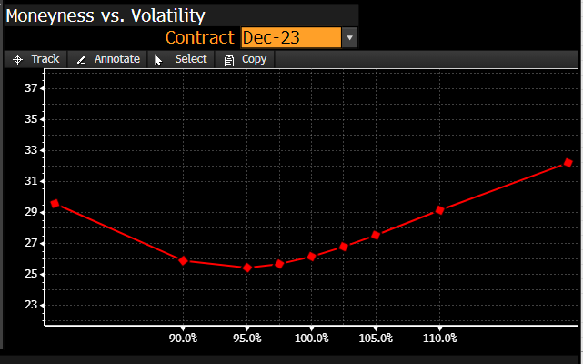
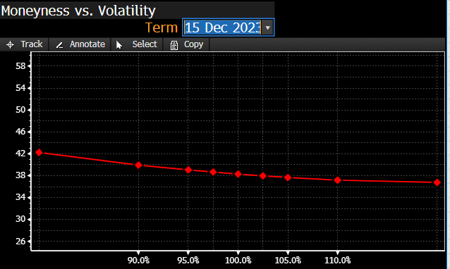
SMILE, SMIRK OR SKEW DISCUSSION | FOR COMMODITY | FOR STOCK
a) For the Stock, the shape of volatility versus moneyness is a left skew (negatively sloped) shaped which suggests that out of the money put options have higher implied volatility compared out of the money call options of equal distance. Skew shape is often seen in market with a bearish sentiment or concerns about downside risk implying investors are willing to pay more for downside protection.
b) For the commodity, the shape of volatility versus moneyness is smile shaped which is characterized by having higher implied volatility at both lower and higher strike prices while having lower implied volatility at "at the money" strike price. This means market participants are pricing in the possibility of extreme price movements in the underlying commodity. Traders are willing to pay more for options that protect against large price swings in etiher direction.

Commodity Future
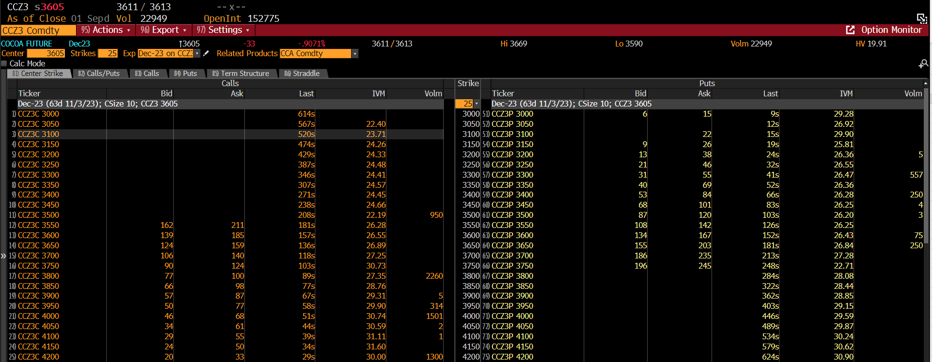
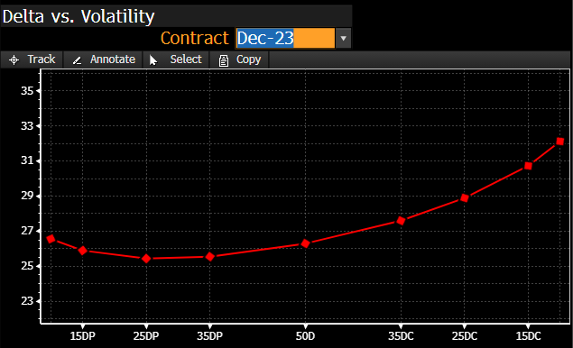
 | FOR CALL OPTION | FOR PUT OPTION | Implied Volatility | Theoretical Future call prices | Theoretical Future put prices
Cocoa Futures (CCZ3 Comdty) |  |  | 20.00% | $130.97 | $175.29
Futures Price | $3,605.00 | $3,605.00 | 20.01% | $131.04 | $175.37
Strike Price | $3,650.00 | $3,650.00 | 20.02% | $131.12 | $175.44
Expiration Date | 2023-12-15 | 2023-12-15 | 20.03% | $131.19 | $175.52
Time at maturity | 0.28493 | 0.28493 | 20.04% | $131.27 | $175.59
Annual risk-free rate | 0.0531 | 0.0531 | 20.05% | $131.34 | $175.67
Implied Volatility from Bloomberg | 0.2689 | 0.2684 | 20.06% | $131.42 | $175.74
 |  |  | 20.07% | $131.49 | $175.82
d1 | -0.0147 | -0.0150 | 20.08% | $131.57 | $175.89
d2 | -0.1582 | -0.1582 | 20.09% | $131.65 | $175.97
negative d1 | 0.0147 | 0.0150 | 20.10% | $131.72 | $176.05
negative d2 | 0.1582 | 0.1582 | 20.11% | $131.80 | $176.12
N(d1) | 0.4942 | 0.4940 | 20.12% | $131.87 | $176.20
N(d2) | 0.4372 | 0.4371 | 20.13% | $131.95 | $176.27
N(-d1) | 0.5058 | 0.5060 | 20.14% | $132.02 | $176.35
N(-d2) | 0.5628 | 0.5629 | 20.15% | $132.10 | $176.42
Black Scholes Call Value | $183.03 |  | 20.16% | $132.17 | $176.50
Black Scholes Put Value | $226.97 |  | 20.17% | $132.25 | $176.57
 |  |  | 20.18% | $132.33 | $176.65
IMPLIED VOLATILITY for CALL option | 0.2067 |  | 20.19% | $132.40 | $176.72
IMPLIED VOLATILITY for PUT option | 0.2075 |  | 20.20% | $132.48 | $176.80
 |  |  | 20.21% | $132.55 | $176.88
 |  |  | 20.22% | $132.63 | $176.95
 |  |  | 20.23% | $132.70 | $177.03
 |  |  | 20.24% | $132.78 | $177.10
 |  |  | 20.25% | $132.85 | $177.18
 |  |  | 20.26% | $132.93 | $177.25
 |  |  | 20.27% | $133.00 | $177.33
 |  |  | 20.28% | $133.08 | $177.40
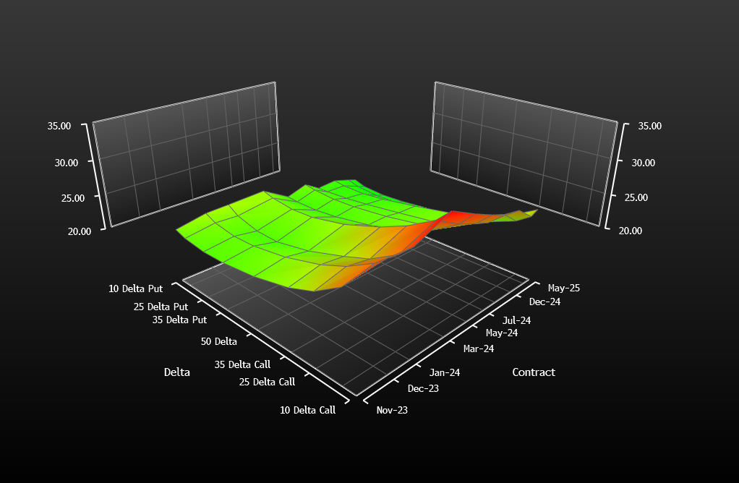
 |  |  | 20.29% | $133.16 | $177.48
 |  |  | 20.30% | $133.23 | $177.56
 |  |  | 20.31% | $133.31 | $177.63
 |  |  | 20.32% | $133.38 | $177.71
 |  |  | 20.33% | $133.46 | $177.78
 |  |  | 20.34% | $133.53 | $177.86
 |  |  | 20.35% | $133.61 | $177.93
 |  |  | 20.36% | $133.68 | $178.01
 |  |  | 20.37% | $133.76 | $178.08
 |  |  | 20.38% | $133.83 | $178.16
 |  |  | 20.39% | $133.91 | $178.23
 |  |  | 20.40% | $133.99 | $178.31
 |  |  | 20.41% | $134.06 | $178.39
 |  |  | 20.42% | $134.14 | $178.46
 |  |  | 20.43% | $134.21 | $178.54
 |  |  | 20.44% | $134.29 | $178.61
 |  |  | 20.45% | $134.36 | $178.69
 |  |  | 20.46% | $134.44 | $178.76
 |  |  | 20.47% | $134.51 | $178.84
 |  |  | 20.48% | $134.59 | $178.91
 |  |  | 20.49% | $134.67 | $178.99
 |  |  | 20.50% | $134.74 | $179.06
 |  |  | 20.51% | $134.82 | $179.14
 |  |  | 20.52% | $134.89 | $179.22
 |  |  | 20.53% | $134.97 | $179.29
 |  |  | 20.54% | $135.04 | $179.37
 |  |  | 20.55% | $135.12 | $179.44
 |  |  | 20.56% | $135.19 | $179.52
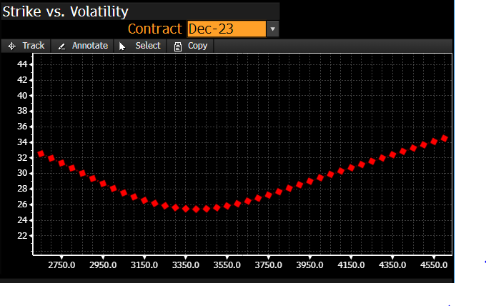
 |  |  | 20.57% | $135.27 | $179.59
 |  |  | 20.58% | $135.34 | $179.67
 |  |  | 20.59% | $135.42 | $179.74
 |  |  | 20.60% | $135.50 | $179.82
 |  |  | 20.61% | $135.57 | $179.90
 |  |  | 20.62% | $135.65 | $179.97
 |  |  | 20.63% | $135.72 | $180.05
 |  |  | 20.64% | $135.80 | $180.12
 |  |  | 20.65% | $135.87 | $180.20
 |  |  | 20.66% | $135.95 | $180.27
 |  |  | 20.67% | $136.02 | $180.35
 |  |  | 20.68% | $136.10 | $180.42
 |  |  | 20.69% | $136.17 | $180.50
 |  |  | 20.70% | $136.25 | $180.57
 |  |  | 20.71% | $136.33 | $180.65
 |  |  | 20.72% | $136.40 | $180.73
 |  |  | 20.73% | $136.48 | $180.80
 |  |  | 20.74% | $136.55 | $180.88
 |  |  | 20.75% | $136.63 | $180.95
 |  |  | 20.76% | $136.70 | $181.03
 |  |  | 20.77% | $136.78 | $181.10
 |  |  | 20.78% | $136.85 | $181.18
 |  |  | 20.79% | $136.93 | $181.25
 |  |  | 20.80% | $137.01 | $181.33
 |  |  | 20.81% | $137.08 | $181.41
 |  |  | 20.82% | $137.16 | $181.48
 |  |  | 20.83% | $137.23 | $181.56
 |  |  | 20.84% | $137.31 | $181.63
 |  |  | 20.85% | $137.38 | $181.71
 |  |  | 20.86% | $137.46 | $181.78
 |  |  | 20.87% | $137.53 | $181.86
 |  |  | 20.88% | $137.61 | $181.93
 |  |  | 20.89% | $137.68 | $182.01
 |  |  | 20.90% | $137.76 | $182.08
 |  |  | 20.91% | $137.84 | $182.16
 |  |  | 20.92% | $137.91 | $182.24
 |  |  | 20.93% | $137.99 | $182.31
 |  |  | 20.94% | $138.06 | $182.39
 |  |  | 20.95% | $138.14 | $182.46
 |  |  | 20.96% | $138.21 | $182.54
 |  |  | 20.97% | $138.29 | $182.61
 |  |  | 20.98% | $138.36 | $182.69
 |  |  | 20.99% | $138.44 | $182.76
 |  |  | 21.00% | $138.52 | $182.84
 |  |  | 21.01% | $138.59 | $182.92
 |  |  | 21.02% | $138.67 | $182.99
 |  |  | 21.03% | $138.74 | $183.07
 |  |  | 21.04% | $138.82 | $183.14
 |  |  | 21.05% | $138.89 | $183.22
 |  |  | 21.06% | $138.97 | $183.29
 |  |  | 21.07% | $139.04 | $183.37
 |  |  | 21.08% | $139.12 | $183.44
 |  |  | 21.09% | $139.19 | $183.52
 |  |  | 21.10% | $139.27 | $183.59
 |  |  | 21.11% | $139.35 | $183.67
 |  |  | 21.12% | $139.42 | $183.75
 |  |  | 21.13% | $139.50 | $183.82
 |  |  | 21.14% | $139.57 | $183.90
 |  |  | 21.15% | $139.65 | $183.97
 |  |  | 21.16% | $139.72 | $184.05
 |  |  | 21.17% | $139.80 | $184.12
 |  |  | 21.18% | $139.87 | $184.20
 |  |  | 21.19% | $139.95 | $184.27
 |  |  | 21.20% | $140.03 | $184.35
 |  |  | 21.21% | $140.10 | $184.43
 |  |  | 21.22% | $140.18 | $184.50
 |  |  | 21.23% | $140.25 | $184.58
 |  |  | 21.24% | $140.33 | $184.65
 |  |  | 21.25% | $140.40 | $184.73
 |  |  | 21.26% | $140.48 | $184.80
 |  |  | 21.27% | $140.55 | $184.88
 |  |  | 21.28% | $140.63 | $184.95
 |  |  | 21.29% | $140.70 | $185.03
 |  |  | 21.30% | $140.78 | $185.10
 |  |  | 21.31% | $140.86 | $185.18
 |  |  | 21.32% | $140.93 | $185.26
 |  |  | 21.33% | $141.01 | $185.33
 |  |  | 21.34% | $141.08 | $185.41
 |  |  | 21.35% | $141.16 | $185.48
 |  |  | 21.36% | $141.23 | $185.56
 |  |  | 21.37% | $141.31 | $185.63
 |  |  | 21.38% | $141.38 | $185.71
 |  |  | 21.39% | $141.46 | $185.78
 |  |  | 21.40% | $141.54 | $185.86
 |  |  | 21.41% | $141.61 | $185.94
 |  |  | 21.42% | $141.69 | $186.01
 |  |  | 21.43% | $141.76 | $186.09
 |  |  | 21.44% | $141.84 | $186.16
 |  |  | 21.45% | $141.91 | $186.24
 |  |  | 21.46% | $141.99 | $186.31
 |  |  | 21.47% | $142.06 | $186.39
 |  |  | 21.48% | $142.14 | $186.46
 |  |  | 21.49% | $142.22 | $186.54
 |  |  | 21.50% | $142.29 | $186.62
 |  |  | 21.51% | $142.37 | $186.69
 |  |  | 21.52% | $142.44 | $186.77
 |  |  | 21.53% | $142.52 | $186.84
 |  |  | 21.54% | $142.59 | $186.92
 |  |  | 21.55% | $142.67 | $186.99
 |  |  | 21.56% | $142.74 | $187.07
 |  |  | 21.57% | $142.82 | $187.14
 |  |  | 21.58% | $142.89 | $187.22
 |  |  | 21.59% | $142.97 | $187.29
 |  |  | 21.60% | $143.05 | $187.37
 |  |  | 21.61% | $143.12 | $187.45
 |  |  | 21.62% | $143.20 | $187.52
 |  |  | 21.63% | $143.27 | $187.60
 |  |  | 21.64% | $143.35 | $187.67
 |  |  | 21.65% | $143.42 | $187.75
 |  |  | 21.66% | $143.50 | $187.82
 |  |  | 21.67% | $143.57 | $187.90
 |  |  | 21.68% | $143.65 | $187.97
 |  |  | 21.69% | $143.73 | $188.05
 |  |  | 21.70% | $143.80 | $188.13
 |  |  | 21.71% | $143.88 | $188.20
 |  |  | 21.72% | $143.95 | $188.28
 |  |  | 21.73% | $144.03 | $188.35
 |  |  | 21.74% | $144.10 | $188.43
 |  |  | 21.75% | $144.18 | $188.50
 |  |  | 21.76% | $144.25 | $188.58
 |  |  | 21.77% | $144.33 | $188.65
 |  |  | 21.78% | $144.41 | $188.73
 |  |  | 21.79% | $144.48 | $188.81
 |  |  | 21.80% | $144.56 | $188.88
 |  |  | 21.81% | $144.63 | $188.96
 |  |  | 21.82% | $144.71 | $189.03
 |  |  | 21.83% | $144.78 | $189.11
 |  |  | 21.84% | $144.86 | $189.18
 |  |  | 21.85% | $144.93 | $189.26
 |  |  | 21.86% | $145.01 | $189.33
 |  |  | 21.87% | $145.09 | $189.41
 |  |  | 21.88% | $145.16 | $189.49
 |  |  | 21.89% | $145.24 | $189.56
 |  |  | 21.90% | $145.31 | $189.64
 |  |  | 21.91% | $145.39 | $189.71
 |  |  | 21.92% | $145.46 | $189.79
 |  |  | 21.93% | $145.54 | $189.86
 |  |  | 21.94% | $145.61 | $189.94
 |  |  | 21.95% | $145.69 | $190.01
 |  |  | 21.96% | $145.76 | $190.09
 |  |  | 21.97% | $145.84 | $190.16
 |  |  | 21.98% | $145.92 | $190.24
 |  |  | 21.99% | $145.99 | $190.32
 |  |  | 22.00% | $146.07 | $190.39
 |  |  | 22.01% | $146.14 | $190.47
 |  |  | 22.02% | $146.22 | $190.54
 |  |  | 22.03% | $146.29 | $190.62
 |  |  | 22.04% | $146.37 | $190.69
 |  |  | 22.05% | $146.44 | $190.77
 |  |  | 22.06% | $146.52 | $190.84
 |  |  | 22.07% | $146.60 | $190.92
 |  |  | 22.08% | $146.67 | $191.00
 |  |  | 22.09% | $146.75 | $191.07
 |  |  | 22.10% | $146.82 | $191.15
 |  |  | 22.11% | $146.90 | $191.22
 |  |  | 22.12% | $146.97 | $191.30
 |  |  | 22.13% | $147.05 | $191.37
 |  |  | 22.14% | $147.12 | $191.45
 |  |  | 22.15% | $147.20 | $191.52
 |  |  | 22.16% | $147.28 | $191.60
 |  |  | 22.17% | $147.35 | $191.68
 |  |  | 22.18% | $147.43 | $191.75
 |  |  | 22.19% | $147.50 | $191.83
 |  |  | 22.20% | $147.58 | $191.90
 |  |  | 22.21% | $147.65 | $191.98
 |  |  | 22.22% | $147.73 | $192.05
 |  |  | 22.23% | $147.80 | $192.13
 |  |  | 22.24% | $147.88 | $192.20
 |  |  | 22.25% | $147.96 | $192.28
 |  |  | 22.26% | $148.03 | $192.36
 |  |  | 22.27% | $148.11 | $192.43
 |  |  | 22.28% | $148.18 | $192.51
 |  |  | 22.29% | $148.26 | $192.58
 |  |  | 22.30% | $148.33 | $192.66
 |  |  | 22.31% | $148.41 | $192.73
 |  |  | 22.32% | $148.48 | $192.81
 |  |  | 22.33% | $148.56 | $192.88
 |  |  | 22.34% | $148.64 | $192.96
 |  |  | 22.35% | $148.71 | $193.04
 |  |  | 22.36% | $148.79 | $193.11
 |  |  | 22.37% | $148.86 | $193.19
 |  |  | 22.38% | $148.94 | $193.26
 |  |  | 22.39% | $149.01 | $193.34
 |  |  | 22.40% | $149.09 | $193.41
 |  |  | 22.41% | $149.16 | $193.49
 |  |  | 22.42% | $149.24 | $193.56
 |  |  | 22.43% | $149.32 | $193.64
 |  |  | 22.44% | $149.39 | $193.72
 |  |  | 22.45% | $149.47 | $193.79
 |  |  | 22.46% | $149.54 | $193.87
 |  |  | 22.47% | $149.62 | $193.94
 |  |  | 22.48% | $149.69 | $194.02
 |  |  | 22.49% | $149.77 | $194.09
 |  |  | 22.50% | $149.84 | $194.17
 |  |  | 22.51% | $149.92 | $194.24
 |  |  | 22.52% | $150.00 | $194.32
 |  |  | 22.53% | $150.07 | $194.40
 |  |  | 22.54% | $150.15 | $194.47
 |  |  | 22.55% | $150.22 | $194.55
 |  |  | 22.56% | $150.30 | $194.62
 |  |  | 22.57% | $150.37 | $194.70
 |  |  | 22.58% | $150.45 | $194.77
 |  |  | 22.59% | $150.52 | $194.85
 |  |  | 22.60% | $150.60 | $194.92
 |  |  | 22.61% | $150.68 | $195.00
 |  |  | 22.62% | $150.75 | $195.07
 |  |  | 22.63% | $150.83 | $195.15
 |  |  | 22.64% | $150.90 | $195.23
 |  |  | 22.65% | $150.98 | $195.30
 |  |  | 22.66% | $151.05 | $195.38
 |  |  | 22.67% | $151.13 | $195.45
 |  |  | 22.68% | $151.20 | $195.53
 |  |  | 22.69% | $151.28 | $195.60
 |  |  | 22.70% | $151.36 | $195.68
 |  |  | 22.71% | $151.43 | $195.75
 |  |  | 22.72% | $151.51 | $195.83
 |  |  | 22.73% | $151.58 | $195.91
 |  |  | 22.74% | $151.66 | $195.98
 |  |  | 22.75% | $151.73 | $196.06
 |  |  | 22.76% | $151.81 | $196.13
 |  |  | 22.77% | $151.88 | $196.21
 |  |  | 22.78% | $151.96 | $196.28
 |  |  | 22.79% | $152.04 | $196.36
 |  |  | 22.80% | $152.11 | $196.43
 |  |  | 22.81% | $152.19 | $196.51
 |  |  | 22.82% | $152.26 | $196.59
 |  |  | 22.83% | $152.34 | $196.66
 |  |  | 22.84% | $152.41 | $196.74
 |  |  | 22.85% | $152.49 | $196.81
 |  |  | 22.86% | $152.56 | $196.89
 |  |  | 22.87% | $152.64 | $196.96
 |  |  | 22.88% | $152.71 | $197.04
 |  |  | 22.89% | $152.79 | $197.11
 |  |  | 22.90% | $152.87 | $197.19
 |  |  | 22.91% | $152.94 | $197.27
 |  |  | 22.92% | $153.02 | $197.34
 |  |  | 22.93% | $153.09 | $197.42
 |  |  | 22.94% | $153.17 | $197.49
 |  |  | 22.95% | $153.24 | $197.57
 |  |  | 22.96% | $153.32 | $197.64
 |  |  | 22.97% | $153.39 | $197.72
 |  |  | 22.98% | $153.47 | $197.79
 |  |  | 22.99% | $153.55 | $197.87
 |  |  | 23.00% | $153.62 | $197.95
 |  |  | 23.01% | $153.70 | $198.02
 |  |  | 23.02% | $153.77 | $198.10
 |  |  | 23.03% | $153.85 | $198.17
 |  |  | 23.04% | $153.92 | $198.25
 |  |  | 23.05% | $154.00 | $198.32
 |  |  | 23.06% | $154.07 | $198.40
 |  |  | 23.07% | $154.15 | $198.47
 |  |  | 23.08% | $154.23 | $198.55
 |  |  | 23.09% | $154.30 | $198.63
 |  |  | 23.10% | $154.38 | $198.70
 |  |  | 23.11% | $154.45 | $198.78
 |  |  | 23.12% | $154.53 | $198.85
 |  |  | 23.13% | $154.60 | $198.93
 |  |  | 23.14% | $154.68 | $199.00
 |  |  | 23.15% | $154.76 | $199.08
 |  |  | 23.16% | $154.83 | $199.15
 |  |  | 23.17% | $154.91 | $199.23
 |  |  | 23.18% | $154.98 | $199.31
 |  |  | 23.19% | $155.06 | $199.38
 |  |  | 23.20% | $155.13 | $199.46
 |  |  | 23.21% | $155.21 | $199.53
 |  |  | 23.22% | $155.28 | $199.61
 |  |  | 23.23% | $155.36 | $199.68
 |  |  | 23.24% | $155.44 | $199.76
 |  |  | 23.25% | $155.51 | $199.83
 |  |  | 23.26% | $155.59 | $199.91
 |  |  | 23.27% | $155.66 | $199.99
 |  |  | 23.28% | $155.74 | $200.06
 |  |  | 23.29% | $155.81 | $200.14
 |  |  | 23.30% | $155.89 | $200.21
 |  |  | 23.31% | $155.96 | $200.29
 |  |  | 23.32% | $156.04 | $200.36
 |  |  | 23.33% | $156.12 | $200.44
 |  |  | 23.34% | $156.19 | $200.51
 |  |  | 23.35% | $156.27 | $200.59
 |  |  | 23.36% | $156.34 | $200.67
 |  |  | 23.37% | $156.42 | $200.74
 |  |  | 23.38% | $156.49 | $200.82
 |  |  | 23.39% | $156.57 | $200.89
 |  |  | 23.40% | $156.64 | $200.97
 |  |  | 23.41% | $156.72 | $201.04
 |  |  | 23.42% | $156.80 | $201.12
 |  |  | 23.43% | $156.87 | $201.20
 |  |  | 23.44% | $156.95 | $201.27
 |  |  | 23.45% | $157.02 | $201.35
 |  |  | 23.46% | $157.10 | $201.42
 |  |  | 23.47% | $157.17 | $201.50
 |  |  | 23.48% | $157.25 | $201.57
 |  |  | 23.49% | $157.32 | $201.65
 |  |  | 23.50% | $157.40 | $201.72
 |  |  | 23.51% | $157.48 | $201.80
 |  |  | 23.52% | $157.55 | $201.88
 |  |  | 23.53% | $157.63 | $201.95
 |  |  | 23.54% | $157.70 | $202.03
 |  |  | 23.55% | $157.78 | $202.10
 |  |  | 23.56% | $157.85 | $202.18
 |  |  | 23.57% | $157.93 | $202.25
 |  |  | 23.58% | $158.00 | $202.33
 |  |  | 23.59% | $158.08 | $202.40
 |  |  | 23.60% | $158.16 | $202.48
 |  |  | 23.61% | $158.23 | $202.56
 |  |  | 23.62% | $158.31 | $202.63
 |  |  | 23.63% | $158.38 | $202.71
 |  |  | 23.64% | $158.46 | $202.78
 |  |  | 23.65% | $158.53 | $202.86
 |  |  | 23.66% | $158.61 | $202.93
 |  |  | 23.67% | $158.68 | $203.01
 |  |  | 23.68% | $158.76 | $203.08
 |  |  | 23.69% | $158.84 | $203.16
 |  |  | 23.70% | $158.91 | $203.24
 |  |  | 23.71% | $158.99 | $203.31
 |  |  | 23.72% | $159.06 | $203.39
 |  |  | 23.73% | $159.14 | $203.46
 |  |  | 23.74% | $159.21 | $203.54
 |  |  | 23.75% | $159.29 | $203.61
 |  |  | 23.76% | $159.36 | $203.69
 |  |  | 23.77% | $159.44 | $203.76
 |  |  | 23.78% | $159.52 | $203.84
 |  |  | 23.79% | $159.59 | $203.92
 |  |  | 23.80% | $159.67 | $203.99
 |  |  | 23.81% | $159.74 | $204.07
 |  |  | 23.82% | $159.82 | $204.14
 |  |  | 23.83% | $159.89 | $204.22
 |  |  | 23.84% | $159.97 | $204.29
 |  |  | 23.85% | $160.04 | $204.37
 |  |  | 23.86% | $160.12 | $204.44
 |  |  | 23.87% | $160.20 | $204.52
 |  |  | 23.88% | $160.27 | $204.60
 |  |  | 23.89% | $160.35 | $204.67
 |  |  | 23.90% | $160.42 | $204.75
 |  |  | 23.91% | $160.50 | $204.82
 |  |  | 23.92% | $160.57 | $204.90
 |  |  | 23.93% | $160.65 | $204.97
 |  |  | 23.94% | $160.72 | $205.05
 |  |  | 23.95% | $160.80 | $205.12
 |  |  | 23.96% | $160.88 | $205.20
 |  |  | 23.97% | $160.95 | $205.28
 |  |  | 23.98% | $161.03 | $205.35
 |  |  | 23.99% | $161.10 | $205.43
 |  |  | 24.00% | $161.18 | $205.50
 |  |  | 24.01% | $161.25 | $205.58
 |  |  | 24.02% | $161.33 | $205.65
 |  |  | 24.03% | $161.41 | $205.73
 |  |  | 24.04% | $161.48 | $205.80
 |  |  | 24.05% | $161.56 | $205.88
 |  |  | 24.06% | $161.63 | $205.96
 |  |  | 24.07% | $161.71 | $206.03
 |  |  | 24.08% | $161.78 | $206.11
 |  |  | 24.09% | $161.86 | $206.18
 |  |  | 24.10% | $161.93 | $206.26
 |  |  | 24.11% | $162.01 | $206.33
 |  |  | 24.12% | $162.09 | $206.41
 |  |  | 24.13% | $162.16 | $206.49
 |  |  | 24.14% | $162.24 | $206.56
 |  |  | 24.15% | $162.31 | $206.64
 |  |  | 24.16% | $162.39 | $206.71
 |  |  | 24.17% | $162.46 | $206.79
 |  |  | 24.18% | $162.54 | $206.86
 |  |  | 24.19% | $162.61 | $206.94
 |  |  | 24.20% | $162.69 | $207.01
 |  |  | 24.21% | $162.77 | $207.09
 |  |  | 24.22% | $162.84 | $207.17
 |  |  | 24.23% | $162.92 | $207.24
 |  |  | 24.24% | $162.99 | $207.32
 |  |  | 24.25% | $163.07 | $207.39
 |  |  | 24.26% | $163.14 | $207.47
 |  |  | 24.27% | $163.22 | $207.54
 |  |  | 24.28% | $163.29 | $207.62
 |  |  | 24.29% | $163.37 | $207.69
 |  |  | 24.30% | $163.45 | $207.77
 |  |  | 24.31% | $163.52 | $207.85
 |  |  | 24.32% | $163.60 | $207.92
 |  |  | 24.33% | $163.67 | $208.00
 |  |  | 24.34% | $163.75 | $208.07
 |  |  | 24.35% | $163.82 | $208.15
 |  |  | 24.36% | $163.90 | $208.22
 |  |  | 24.37% | $163.97 | $208.30
 |  |  | 24.38% | $164.05 | $208.37
 |  |  | 24.39% | $164.13 | $208.45
 |  |  | 24.40% | $164.20 | $208.53
 |  |  | 24.41% | $164.28 | $208.60
 |  |  | 24.42% | $164.35 | $208.68
 |  |  | 24.43% | $164.43 | $208.75
 |  |  | 24.44% | $164.50 | $208.83
 |  |  | 24.45% | $164.58 | $208.90
 |  |  | 24.46% | $164.65 | $208.98
 |  |  | 24.47% | $164.73 | $209.05
 |  |  | 24.48% | $164.81 | $209.13
 |  |  | 24.49% | $164.88 | $209.21
 |  |  | 24.50% | $164.96 | $209.28
 |  |  | 24.51% | $165.03 | $209.36
 |  |  | 24.52% | $165.11 | $209.43
 |  |  | 24.53% | $165.18 | $209.51
 |  |  | 24.54% | $165.26 | $209.58
 |  |  | 24.55% | $165.34 | $209.66
 |  |  | 24.56% | $165.41 | $209.74
 |  |  | 24.57% | $165.49 | $209.81
 |  |  | 24.58% | $165.56 | $209.89
 |  |  | 24.59% | $165.64 | $209.96
 |  |  | 24.60% | $165.71 | $210.04
 |  |  | 24.61% | $165.79 | $210.11
 |  |  | 24.62% | $165.86 | $210.19
 |  |  | 24.63% | $165.94 | $210.26
 |  |  | 24.64% | $166.02 | $210.34
 |  |  | 24.65% | $166.09 | $210.42
 |  |  | 24.66% | $166.17 | $210.49
 |  |  | 24.67% | $166.24 | $210.57
 |  |  | 24.68% | $166.32 | $210.64
 |  |  | 24.69% | $166.39 | $210.72
 |  |  | 24.70% | $166.47 | $210.79
 |  |  | 24.71% | $166.54 | $210.87
 |  |  | 24.72% | $166.62 | $210.94
 |  |  | 24.73% | $166.70 | $211.02
 |  |  | 24.74% | $166.77 | $211.10
 |  |  | 24.75% | $166.85 | $211.17
 |  |  | 24.76% | $166.92 | $211.25
 |  |  | 24.77% | $167.00 | $211.32
 |  |  | 24.78% | $167.07 | $211.40
 |  |  | 24.79% | $167.15 | $211.47
 |  |  | 24.80% | $167.22 | $211.55
 |  |  | 24.81% | $167.30 | $211.62
 |  |  | 24.82% | $167.38 | $211.70
 |  |  | 24.83% | $167.45 | $211.78
 |  |  | 24.84% | $167.53 | $211.85
 |  |  | 24.85% | $167.60 | $211.93
 |  |  | 24.86% | $167.68 | $212.00
 |  |  | 24.87% | $167.75 | $212.08
 |  |  | 24.88% | $167.83 | $212.15
 |  |  | 24.89% | $167.91 | $212.23
 |  |  | 24.90% | $167.98 | $212.31
 |  |  | 24.91% | $168.06 | $212.38
 |  |  | 24.92% | $168.13 | $212.46
 |  |  | 24.93% | $168.21 | $212.53
 |  |  | 24.94% | $168.28 | $212.61
 |  |  | 24.95% | $168.36 | $212.68
 |  |  | 24.96% | $168.43 | $212.76
 |  |  | 24.97% | $168.51 | $212.83
 |  |  | 24.98% | $168.59 | $212.91
 |  |  | 24.99% | $168.66 | $212.99
 |  |  | 25.00% | $168.74 | $213.06
 |  |  | 25.01% | $168.81 | $213.14
 |  |  | 25.02% | $168.89 | $213.21
 |  |  | 25.03% | $168.96 | $213.29
 |  |  | 25.04% | $169.04 | $213.36
 |  |  | 25.05% | $169.11 | $213.44
 |  |  | 25.06% | $169.19 | $213.51
 |  |  | 25.07% | $169.27 | $213.59
 |  |  | 25.08% | $169.34 | $213.67
 |  |  | 25.09% | $169.42 | $213.74
 |  |  | 25.10% | $169.49 | $213.82
 |  |  | 25.11% | $169.57 | $213.89
 |  |  | 25.12% | $169.64 | $213.97
 |  |  | 25.13% | $169.72 | $214.04
 |  |  | 25.14% | $169.79 | $214.12
 |  |  | 25.15% | $169.87 | $214.19
 |  |  | 25.16% | $169.95 | $214.27
 |  |  | 25.17% | $170.02 | $214.35
 |  |  | 25.18% | $170.10 | $214.42
 |  |  | 25.19% | $170.17 | $214.50
 |  |  | 25.20% | $170.25 | $214.57
 |  |  | 25.21% | $170.32 | $214.65
 |  |  | 25.22% | $170.40 | $214.72
 |  |  | 25.23% | $170.48 | $214.80
 |  |  | 25.24% | $170.55 | $214.88
 |  |  | 25.25% | $170.63 | $214.95
 |  |  | 25.26% | $170.70 | $215.03
 |  |  | 25.27% | $170.78 | $215.10
 |  |  | 25.28% | $170.85 | $215.18
 |  |  | 25.29% | $170.93 | $215.25
 |  |  | 25.30% | $171.00 | $215.33
 |  |  | 25.31% | $171.08 | $215.40
 |  |  | 25.32% | $171.16 | $215.48
 |  |  | 25.33% | $171.23 | $215.56
 |  |  | 25.34% | $171.31 | $215.63
 |  |  | 25.35% | $171.38 | $215.71
 |  |  | 25.36% | $171.46 | $215.78
 |  |  | 25.37% | $171.53 | $215.86
 |  |  | 25.38% | $171.61 | $215.93
 |  |  | 25.39% | $171.68 | $216.01
 |  |  | 25.40% | $171.76 | $216.08
 |  |  | 25.41% | $171.84 | $216.16
 |  |  | 25.42% | $171.91 | $216.24
 |  |  | 25.43% | $171.99 | $216.31
 |  |  | 25.44% | $172.06 | $216.39
 |  |  | 25.45% | $172.14 | $216.46
 |  |  | 25.46% | $172.21 | $216.54
 |  |  | 25.47% | $172.29 | $216.61
 |  |  | 25.48% | $172.37 | $216.69
 |  |  | 25.49% | $172.44 | $216.76
 |  |  | 25.50% | $172.52 | $216.84
 |  |  | 25.51% | $172.59 | $216.92
 |  |  | 25.52% | $172.67 | $216.99
 |  |  | 25.53% | $172.74 | $217.07
 |  |  | 25.54% | $172.82 | $217.14
 |  |  | 25.55% | $172.89 | $217.22
 |  |  | 25.56% | $172.97 | $217.29
 |  |  | 25.57% | $173.05 | $217.37
 |  |  | 25.58% | $173.12 | $217.45
 |  |  | 25.59% | $173.20 | $217.52
 |  |  | 25.60% | $173.27 | $217.60
 |  |  | 25.61% | $173.35 | $217.67
 |  |  | 25.62% | $173.42 | $217.75
 |  |  | 25.63% | $173.50 | $217.82
 |  |  | 25.64% | $173.57 | $217.90
 |  |  | 25.65% | $173.65 | $217.97
 |  |  | 25.66% | $173.73 | $218.05
 |  |  | 25.67% | $173.80 | $218.13
 |  |  | 25.68% | $173.88 | $218.20
 |  |  | 25.69% | $173.95 | $218.28
 |  |  | 25.70% | $174.03 | $218.35
 |  |  | 25.71% | $174.10 | $218.43
 |  |  | 25.72% | $174.18 | $218.50
 |  |  | 25.73% | $174.26 | $218.58
 |  |  | 25.74% | $174.33 | $218.65
 |  |  | 25.75% | $174.41 | $218.73
 |  |  | 25.76% | $174.48 | $218.81
 |  |  | 25.77% | $174.56 | $218.88
 |  |  | 25.78% | $174.63 | $218.96
 |  |  | 25.79% | $174.71 | $219.03
 |  |  | 25.80% | $174.78 | $219.11
 |  |  | 25.81% | $174.86 | $219.18
 |  |  | 25.82% | $174.94 | $219.26
 |  |  | 25.83% | $175.01 | $219.34
 |  |  | 25.84% | $175.09 | $219.41
 |  |  | 25.85% | $175.16 | $219.49
 |  |  | 25.86% | $175.24 | $219.56
 |  |  | 25.87% | $175.31 | $219.64
 |  |  | 25.88% | $175.39 | $219.71
 |  |  | 25.89% | $175.46 | $219.79
 |  |  | 25.90% | $175.54 | $219.86
 |  |  | 25.91% | $175.62 | $219.94
 |  |  | 25.92% | $175.69 | $220.02
 |  |  | 25.93% | $175.77 | $220.09
 |  |  | 25.94% | $175.84 | $220.17
 |  |  | 25.95% | $175.92 | $220.24
 |  |  | 25.96% | $175.99 | $220.32
 |  |  | 25.97% | $176.07 | $220.39
 |  |  | 25.98% | $176.15 | $220.47
 |  |  | 25.99% | $176.22 | $220.54
 |  |  | 26.00% | $176.30 | $220.62
 |  |  | 26.01% | $176.37 | $220.70
 |  |  | 26.02% | $176.45 | $220.77
 |  |  | 26.03% | $176.52 | $220.85
 |  |  | 26.04% | $176.60 | $220.92
 |  |  | 26.05% | $176.67 | $221.00
 |  |  | 26.06% | $176.75 | $221.07
 |  |  | 26.07% | $176.83 | $221.15
 |  |  | 26.08% | $176.90 | $221.23
 |  |  | 26.09% | $176.98 | $221.30
 |  |  | 26.10% | $177.05 | $221.38
 |  |  | 26.11% | $177.13 | $221.45
 |  |  | 26.12% | $177.20 | $221.53
 |  |  | 26.13% | $177.28 | $221.60
 |  |  | 26.14% | $177.35 | $221.68
 |  |  | 26.15% | $177.43 | $221.75
 |  |  | 26.16% | $177.51 | $221.83
 |  |  | 26.17% | $177.58 | $221.91
 |  |  | 26.18% | $177.66 | $221.98
 |  |  | 26.19% | $177.73 | $222.06
 |  |  | 26.20% | $177.81 | $222.13
 |  |  | 26.21% | $177.88 | $222.21
 |  |  | 26.22% | $177.96 | $222.28
 |  |  | 26.23% | $178.04 | $222.36
 |  |  | 26.24% | $178.11 | $222.43
 |  |  | 26.25% | $178.19 | $222.51
 |  |  | 26.26% | $178.26 | $222.59
 |  |  | 26.27% | $178.34 | $222.66
 |  |  | 26.28% | $178.41 | $222.74
 |  |  | 26.29% | $178.49 | $222.81
 |  |  | 26.30% | $178.56 | $222.89
 |  |  | 26.31% | $178.64 | $222.96
 |  |  | 26.32% | $178.72 | $223.04
 |  |  | 26.33% | $178.79 | $223.12
 |  |  | 26.34% | $178.87 | $223.19
 |  |  | 26.35% | $178.94 | $223.27
 |  |  | 26.36% | $179.02 | $223.34
 |  |  | 26.37% | $179.09 | $223.42
 |  |  | 26.38% | $179.17 | $223.49
 |  |  | 26.39% | $179.24 | $223.57
 |  |  | 26.40% | $179.32 | $223.64
 |  |  | 26.41% | $179.40 | $223.72
 |  |  | 26.42% | $179.47 | $223.80
 |  |  | 26.43% | $179.55 | $223.87
 |  |  | 26.44% | $179.62 | $223.95
 |  |  | 26.45% | $179.70 | $224.02
 |  |  | 26.46% | $179.77 | $224.10
 |  |  | 26.47% | $179.85 | $224.17
 |  |  | 26.48% | $179.93 | $224.25
 |  |  | 26.49% | $180.00 | $224.33
 |  |  | 26.50% | $180.08 | $224.40
 |  |  | 26.51% | $180.15 | $224.48
 |  |  | 26.52% | $180.23 | $224.55
 |  |  | 26.53% | $180.30 | $224.63
 |  |  | 26.54% | $180.38 | $224.70
 |  |  | 26.55% | $180.45 | $224.78
 |  |  | 26.56% | $180.53 | $224.85
 |  |  | 26.57% | $180.61 | $224.93
 |  |  | 26.58% | $180.68 | $225.01
 |  |  | 26.59% | $180.76 | $225.08
 |  |  | 26.60% | $180.83 | $225.16
 |  |  | 26.61% | $180.91 | $225.23
 |  |  | 26.62% | $180.98 | $225.31
 |  |  | 26.63% | $181.06 | $225.38
 |  |  | 26.64% | $181.13 | $225.46
 |  |  | 26.65% | $181.21 | $225.53
 |  |  | 26.66% | $181.29 | $225.61
 |  |  | 26.67% | $181.36 | $225.69
 |  |  | 26.68% | $181.44 | $225.76
 |  |  | 26.69% | $181.51 | $225.84
 |  |  | 26.70% | $181.59 | $225.91
 |  |  | 26.71% | $181.66 | $225.99
 |  |  | 26.72% | $181.74 | $226.06
 |  |  | 26.73% | $181.82 | $226.14
 |  |  | 26.74% | $181.89 | $226.22
 |  |  | 26.75% | $181.97 | $226.29
 |  |  | 26.76% | $182.04 | $226.37
 |  |  | 26.77% | $182.12 | $226.44
 |  |  | 26.78% | $182.19 | $226.52
 |  |  | 26.79% | $182.27 | $226.59
 |  |  | 26.80% | $182.34 | $226.67
 |  |  | 26.81% | $182.42 | $226.74
 |  |  | 26.82% | $182.50 | $226.82
 |  |  | 26.83% | $182.57 | $226.90
 |  |  | 26.84% | $182.65 | $226.97
 |  |  | 26.85% | $182.72 | $227.05
 |  |  | 26.86% | $182.80 | $227.12
 |  |  | 26.87% | $182.87 | $227.20
 |  |  | 26.88% | $182.95 | $227.27
 |  |  | 26.89% | $183.03 | $227.35
 |  |  | 26.90% | $183.10 | $227.42
 |  |  | 26.91% | $183.18 | $227.50
 |  |  | 26.92% | $183.25 | $227.58
 |  |  | 26.93% | $183.33 | $227.65
 |  |  | 26.94% | $183.40 | $227.73
 |  |  | 26.95% | $183.48 | $227.80
 |  |  | 26.96% | $183.55 | $227.88
 |  |  | 26.97% | $183.63 | $227.95
 |  |  | 26.98% | $183.71 | $228.03
 |  |  | 26.99% | $183.78 | $228.11
 |  |  | 27.00% | $183.86 | $228.18
 |  |  | 27.01% | $183.93 | $228.26
 |  |  | 27.02% | $184.01 | $228.33
 |  |  | 27.03% | $184.08 | $228.41
 |  |  | 27.04% | $184.16 | $228.48
 |  |  | 27.05% | $184.23 | $228.56
 |  |  | 27.06% | $184.31 | $228.63
 |  |  | 27.07% | $184.39 | $228.71
 |  |  | 27.08% | $184.46 | $228.79
 |  |  | 27.09% | $184.54 | $228.86
 |  |  | 27.10% | $184.61 | $228.94
 |  |  | 27.11% | $184.69 | $229.01
 |  |  | 27.12% | $184.76 | $229.09
 |  |  | 27.13% | $184.84 | $229.16
 |  |  | 27.14% | $184.92 | $229.24
 |  |  | 27.15% | $184.99 | $229.32
 |  |  | 27.16% | $185.07 | $229.39
 |  |  | 27.17% | $185.14 | $229.47
 |  |  | 27.18% | $185.22 | $229.54
 |  |  | 27.19% | $185.29 | $229.62
 |  |  | 27.20% | $185.37 | $229.69
 |  |  | 27.21% | $185.44 | $229.77
 |  |  | 27.22% | $185.52 | $229.84
 |  |  | 27.23% | $185.60 | $229.92
 |  |  | 27.24% | $185.67 | $230.00
 |  |  | 27.25% | $185.75 | $230.07
 |  |  | 27.26% | $185.82 | $230.15
 |  |  | 27.27% | $185.90 | $230.22
 |  |  | 27.28% | $185.97 | $230.30
 |  |  | 27.29% | $186.05 | $230.37
 |  |  | 27.30% | $186.13 | $230.45
 |  |  | 27.31% | $186.20 | $230.52
 |  |  | 27.32% | $186.28 | $230.60
 |  |  | 27.33% | $186.35 | $230.68
 |  |  | 27.34% | $186.43 | $230.75
 |  |  | 27.35% | $186.50 | $230.83
 |  |  | 27.36% | $186.58 | $230.90
 |  |  | 27.37% | $186.65 | $230.98
 |  |  | 27.38% | $186.73 | $231.05
 |  |  | 27.39% | $186.81 | $231.13
 |  |  | 27.40% | $186.88 | $231.21
 |  |  | 27.41% | $186.96 | $231.28
 |  |  | 27.42% | $187.03 | $231.36
 |  |  | 27.43% | $187.11 | $231.43
 |  |  | 27.44% | $187.18 | $231.51
 |  |  | 27.45% | $187.26 | $231.58
 |  |  | 27.46% | $187.33 | $231.66
 |  |  | 27.47% | $187.41 | $231.73
 |  |  | 27.48% | $187.49 | $231.81
 |  |  | 27.49% | $187.56 | $231.89
 |  |  | 27.50% | $187.64 | $231.96
 |  |  | 27.51% | $187.71 | $232.04
 |  |  | 27.52% | $187.79 | $232.11
 |  |  | 27.53% | $187.86 | $232.19
 |  |  | 27.54% | $187.94 | $232.26
 |  |  | 27.55% | $188.02 | $232.34
 |  |  | 27.56% | $188.09 | $232.42
 |  |  | 27.57% | $188.17 | $232.49
 |  |  | 27.58% | $188.24 | $232.57
 |  |  | 27.59% | $188.32 | $232.64
 |  |  | 27.60% | $188.39 | $232.72
 |  |  | 27.61% | $188.47 | $232.79
 |  |  | 27.62% | $188.54 | $232.87
 |  |  | 27.63% | $188.62 | $232.94
 |  |  | 27.64% | $188.70 | $233.02
 |  |  | 27.65% | $188.77 | $233.10
 |  |  | 27.66% | $188.85 | $233.17
 |  |  | 27.67% | $188.92 | $233.25
 |  |  | 27.68% | $189.00 | $233.32
 |  |  | 27.69% | $189.07 | $233.40
 |  |  | 27.70% | $189.15 | $233.47
 |  |  | 27.71% | $189.23 | $233.55
 |  |  | 27.72% | $189.30 | $233.62
 |  |  | 27.73% | $189.38 | $233.70
 |  |  | 27.74% | $189.45 | $233.78
 |  |  | 27.75% | $189.53 | $233.85
 |  |  | 27.76% | $189.60 | $233.93
 |  |  | 27.77% | $189.68 | $234.00
 |  |  | 27.78% | $189.75 | $234.08
 |  |  | 27.79% | $189.83 | $234.15
 |  |  | 27.80% | $189.91 | $234.23
 |  |  | 27.81% | $189.98 | $234.31
 |  |  | 27.82% | $190.06 | $234.38
 |  |  | 27.83% | $190.13 | $234.46
 |  |  | 27.84% | $190.21 | $234.53
 |  |  | 27.85% | $190.28 | $234.61
 |  |  | 27.86% | $190.36 | $234.68
 |  |  | 27.87% | $190.43 | $234.76
 |  |  | 27.88% | $190.51 | $234.83
 |  |  | 27.89% | $190.59 | $234.91
 |  |  | 27.90% | $190.66 | $234.99
 |  |  | 27.91% | $190.74 | $235.06
 |  |  | 27.92% | $190.81 | $235.14
 |  |  | 27.93% | $190.89 | $235.21
 |  |  | 27.94% | $190.96 | $235.29
 |  |  | 27.95% | $191.04 | $235.36
 |  |  | 27.96% | $191.12 | $235.44
 |  |  | 27.97% | $191.19 | $235.52
 |  |  | 27.98% | $191.27 | $235.59
 |  |  | 27.99% | $191.34 | $235.67
 |  |  | 28.00% | $191.42 | $235.74
 |  |  | 28.01% | $191.49 | $235.82
 |  |  | 28.02% | $191.57 | $235.89
 |  |  | 28.03% | $191.64 | $235.97
 |  |  | 28.04% | $191.72 | $236.04
 |  |  | 28.05% | $191.80 | $236.12
 |  |  | 28.06% | $191.87 | $236.20
 |  |  | 28.07% | $191.95 | $236.27
 |  |  | 28.08% | $192.02 | $236.35
 |  |  | 28.09% | $192.10 | $236.42
 |  |  | 28.10% | $192.17 | $236.50
 |  |  | 28.11% | $192.25 | $236.57
 |  |  | 28.12% | $192.33 | $236.65
 |  |  | 28.13% | $192.40 | $236.73
 |  |  | 28.14% | $192.48 | $236.80
 |  |  | 28.15% | $192.55 | $236.88
 |  |  | 28.16% | $192.63 | $236.95
 |  |  | 28.17% | $192.70 | $237.03
 |  |  | 28.18% | $192.78 | $237.10
 |  |  | 28.19% | $192.85 | $237.18
 |  |  | 28.20% | $192.93 | $237.25
 |  |  | 28.21% | $193.01 | $237.33
 |  |  | 28.22% | $193.08 | $237.41
 |  |  | 28.23% | $193.16 | $237.48
 |  |  | 28.24% | $193.23 | $237.56
 |  |  | 28.25% | $193.31 | $237.63
 |  |  | 28.26% | $193.38 | $237.71
 |  |  | 28.27% | $193.46 | $237.78
 |  |  | 28.28% | $193.54 | $237.86
 |  |  | 28.29% | $193.61 | $237.93
 |  |  | 28.30% | $193.69 | $238.01
 |  |  | 28.31% | $193.76 | $238.09
 |  |  | 28.32% | $193.84 | $238.16
 |  |  | 28.33% | $193.91 | $238.24
 |  |  | 28.34% | $193.99 | $238.31
 |  |  | 28.35% | $194.06 | $238.39
 |  |  | 28.36% | $194.14 | $238.46
 |  |  | 28.37% | $194.22 | $238.54
 |  |  | 28.38% | $194.29 | $238.62
 |  |  | 28.39% | $194.37 | $238.69
 |  |  | 28.40% | $194.44 | $238.77
 |  |  | 28.41% | $194.52 | $238.84
 |  |  | 28.42% | $194.59 | $238.92
 |  |  | 28.43% | $194.67 | $238.99
 |  |  | 28.44% | $194.74 | $239.07
 |  |  | 28.45% | $194.82 | $239.14
 |  |  | 28.46% | $194.90 | $239.22
 |  |  | 28.47% | $194.97 | $239.30
 |  |  | 28.48% | $195.05 | $239.37
 |  |  | 28.49% | $195.12 | $239.45
 |  |  | 28.50% | $195.20 | $239.52
 |  |  | 28.51% | $195.27 | $239.60
 |  |  | 28.52% | $195.35 | $239.67
 |  |  | 28.53% | $195.43 | $239.75
 |  |  | 28.54% | $195.50 | $239.83
 |  |  | 28.55% | $195.58 | $239.90
 |  |  | 28.56% | $195.65 | $239.98
 |  |  | 28.57% | $195.73 | $240.05
 |  |  | 28.58% | $195.80 | $240.13
 |  |  | 28.59% | $195.88 | $240.20
 |  |  | 28.60% | $195.95 | $240.28
 |  |  | 28.61% | $196.03 | $240.35
 |  |  | 28.62% | $196.11 | $240.43
 |  |  | 28.63% | $196.18 | $240.51
 |  |  | 28.64% | $196.26 | $240.58
 |  |  | 28.65% | $196.33 | $240.66
 |  |  | 28.66% | $196.41 | $240.73
 |  |  | 28.67% | $196.48 | $240.81
 |  |  | 28.68% | $196.56 | $240.88
 |  |  | 28.69% | $196.64 | $240.96
 |  |  | 28.70% | $196.71 | $241.04
 |  |  | 28.71% | $196.79 | $241.11
 |  |  | 28.72% | $196.86 | $241.19
 |  |  | 28.73% | $196.94 | $241.26
 |  |  | 28.74% | $197.01 | $241.34
 |  |  | 28.75% | $197.09 | $241.41
 |  |  | 28.76% | $197.16 | $241.49
 |  |  | 28.77% | $197.24 | $241.56
 |  |  | 28.78% | $197.32 | $241.64
 |  |  | 28.79% | $197.39 | $241.72
 |  |  | 28.80% | $197.47 | $241.79
 |  |  | 28.81% | $197.54 | $241.87
 |  |  | 28.82% | $197.62 | $241.94
 |  |  | 28.83% | $197.69 | $242.02
 |  |  | 28.84% | $197.77 | $242.09
 |  |  | 28.85% | $197.85 | $242.17
 |  |  | 28.86% | $197.92 | $242.25
 |  |  | 28.87% | $198.00 | $242.32
 |  |  | 28.88% | $198.07 | $242.40
 |  |  | 28.89% | $198.15 | $242.47
 |  |  | 28.90% | $198.22 | $242.55
 |  |  | 28.91% | $198.30 | $242.62
 |  |  | 28.92% | $198.37 | $242.70
 |  |  | 28.93% | $198.45 | $242.77
 |  |  | 28.94% | $198.53 | $242.85
 |  |  | 28.95% | $198.60 | $242.93
 |  |  | 28.96% | $198.68 | $243.00
 |  |  | 28.97% | $198.75 | $243.08
 |  |  | 28.98% | $198.83 | $243.15
 |  |  | 28.99% | $198.90 | $243.23
 |  |  | 29.00% | $198.98 | $243.30
 |  |  | 29.01% | $199.05 | $243.38
 |  |  | 29.02% | $199.13 | $243.45
 |  |  | 29.03% | $199.21 | $243.53
 |  |  | 29.04% | $199.28 | $243.61
 |  |  | 29.05% | $199.36 | $243.68
 |  |  | 29.06% | $199.43 | $243.76
 |  |  | 29.07% | $199.51 | $243.83
 |  |  | 29.08% | $199.58 | $243.91
 |  |  | 29.09% | $199.66 | $243.98
 |  |  | 29.10% | $199.74 | $244.06
 |  |  | 29.11% | $199.81 | $244.14
 |  |  | 29.12% | $199.89 | $244.21
 |  |  | 29.13% | $199.96 | $244.29
 |  |  | 29.14% | $200.04 | $244.36
 |  |  | 29.15% | $200.11 | $244.44
 |  |  | 29.16% | $200.19 | $244.51
 |  |  | 29.17% | $200.26 | $244.59
 |  |  | 29.18% | $200.34 | $244.66
 |  |  | 29.19% | $200.42 | $244.74
 |  |  | 29.20% | $200.49 | $244.82
 |  |  | 29.21% | $200.57 | $244.89
 |  |  | 29.22% | $200.64 | $244.97
 |  |  | 29.23% | $200.72 | $245.04
 |  |  | 29.24% | $200.79 | $245.12
 |  |  | 29.25% | $200.87 | $245.19
 |  |  | 29.26% | $200.95 | $245.27
 |  |  | 29.27% | $201.02 | $245.35
 |  |  | 29.28% | $201.10 | $245.42
 |  |  | 29.29% | $201.17 | $245.50
 |  |  | 29.30% | $201.25 | $245.57
 |  |  | 29.31% | $201.32 | $245.65
 |  |  | 29.32% | $201.40 | $245.72
 |  |  | 29.33% | $201.47 | $245.80
 |  |  | 29.34% | $201.55 | $245.87
 |  |  | 29.35% | $201.63 | $245.95
 |  |  | 29.36% | $201.70 | $246.03
 |  |  | 29.37% | $201.78 | $246.10
 |  |  | 29.38% | $201.85 | $246.18
 |  |  | 29.39% | $201.93 | $246.25
 |  |  | 29.40% | $202.00 | $246.33
 |  |  | 29.41% | $202.08 | $246.40
 |  |  | 29.42% | $202.16 | $246.48
 |  |  | 29.43% | $202.23 | $246.56
 |  |  | 29.44% | $202.31 | $246.63
 |  |  | 29.45% | $202.38 | $246.71
 |  |  | 29.46% | $202.46 | $246.78
 |  |  | 29.47% | $202.53 | $246.86
 |  |  | 29.48% | $202.61 | $246.93
 |  |  | 29.49% | $202.68 | $247.01
 |  |  | 29.50% | $202.76 | $247.08
 |  |  | 29.51% | $202.84 | $247.16

Stock
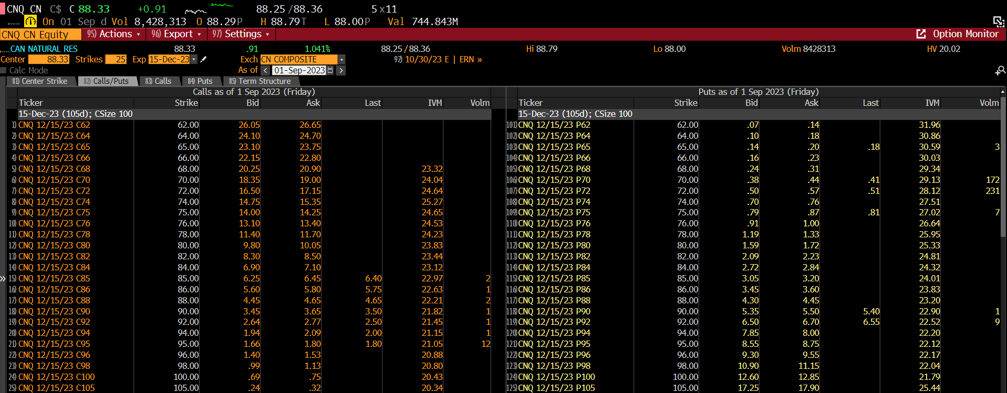
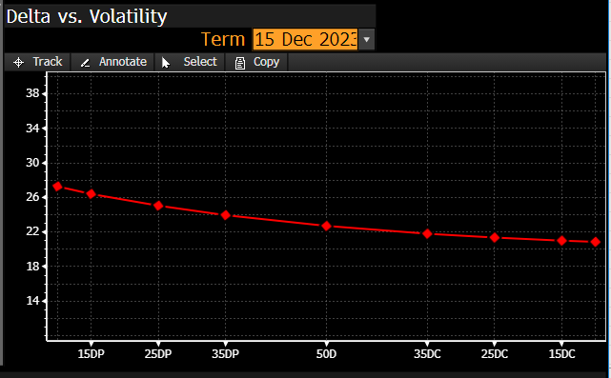
 | FOR CALL OPTION | FOR PUT OPTION | Implied Volatility | Theoretical Future call prices | Theoretical Future put prices
CNRL (CNQ CN) |  |  | 20.00% | $3.11 | $4.46
Stock Price | $88.33 | $88.33 | 20.01% | $3.11 | $4.46
Strike Price | $90.00 | $90.00 | 20.02% | $3.11 | $4.47
Expiration Date | 2023-12-15 | 2023-12-15 | 20.03% | $3.11 | $4.47
Time at maturity | 0.284932 | 0.284932 | 20.04% | $3.11 | $4.47
Annual risk-free rate | 0.0531 | 0.0531 | 20.05% | $3.11 | $4.47
Dividend Yield | 4.15% | 4.15% | 20.06% | $3.12 | $4.47
Implied volatility from Bloomberg | 21.82% | 22.90% | 20.07% | $3.12 | $4.48
 |  |  | 20.08% | $3.12 | $4.48
d1 | -0.074195 | -0.065067 | 20.09% | $3.12 | $4.48
d2 | -0.190668 | -0.187305 | 20.10% | $3.12 | $4.48
negative d1 | 0.074195 | 0.065067 | 20.11% | $3.13 | $4.48
negative d2 | 0.190668 | 0.187305 | 20.12% | $3.13 | $4.48
N(d1) | 0.470428 | 0.474060 | 20.13% | $3.13 | $4.49
N(d2) | 0.424393 | 0.425711 | 20.14% | $3.13 | $4.49
N(-d1) | 0.529572 | 0.525940 | 20.15% | $3.13 | $4.49
N(-d2) | 0.575607 | 0.574289 | 20.16% | $3.14 | $4.49
Black Scholes Call Value | $3.44 |  | 20.17% | $3.14 | $4.49
Black Scholes Put Value | $5.00 |  | 20.18% | $3.14 | $4.50
 |  |  | 20.19% | $3.14 | $4.50
IMPLIED VOLATILITY for CALL option | 0.2213 |  | 20.20% | $3.14 | $4.50
IMPLIED VOLATILITY for PUT option | 0.2505 |  | 20.21% | $3.14 | $4.50
 |  |  | 20.22% | $3.15 | $4.50
 |  |  | 20.23% | $3.15 | $4.50
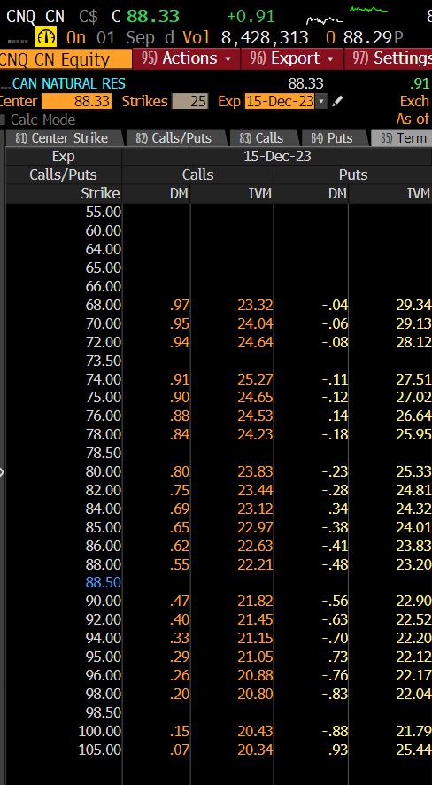
 |  |  | 20.24% | $3.15 | $4.51
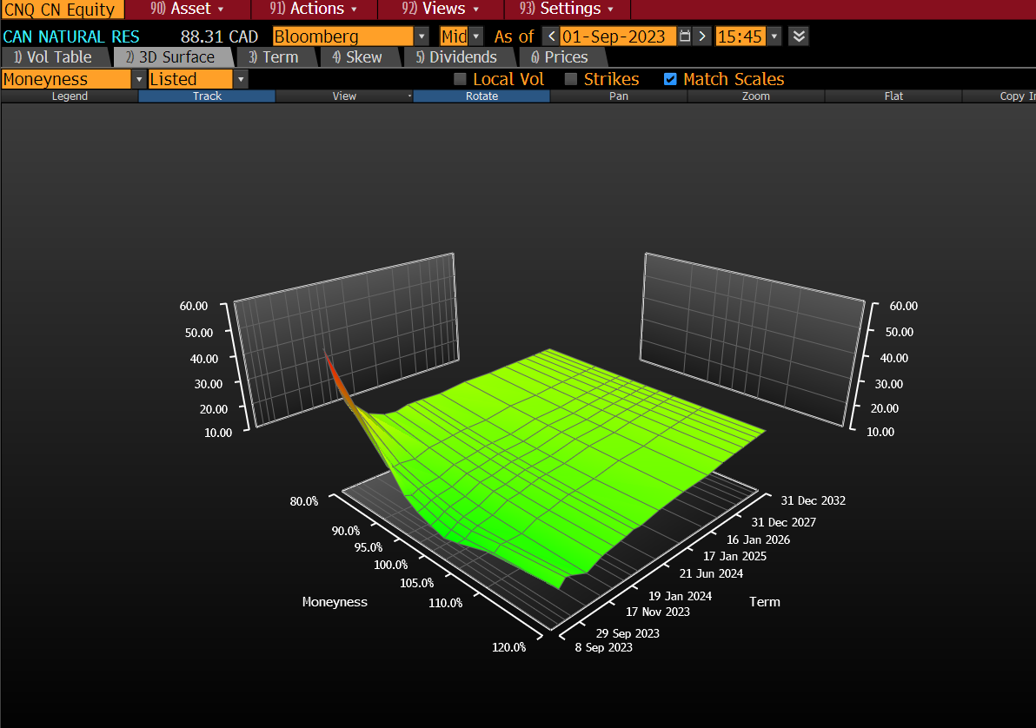
 |  |  | 20.25% | $3.15 | $4.51
 |  |  | 20.26% | $3.15 | $4.51
 |  |  | 20.27% | $3.16 | $4.51
 |  |  | 20.28% | $3.16 | $4.51
 |  |  | 20.29% | $3.16 | $4.52
 |  |  | 20.30% | $3.16 | $4.52
 |  |  | 20.31% | $3.16 | $4.52
 |  |  | 20.32% | $3.16 | $4.52
 |  |  | 20.33% | $3.17 | $4.52
 |  |  | 20.34% | $3.17 | $4.53
 |  |  | 20.35% | $3.17 | $4.53
 |  |  | 20.36% | $3.17 | $4.53
 |  |  | 20.37% | $3.17 | $4.53
 |  |  | 20.38% | $3.18 | $4.53
 |  |  | 20.39% | $3.18 | $4.53
 |  |  | 20.40% | $3.18 | $4.54
 |  |  | 20.41% | $3.18 | $4.54
 |  |  | 20.42% | $3.18 | $4.54
 |  |  | 20.43% | $3.19 | $4.54
 |  |  | 20.44% | $3.19 | $4.54
 |  |  | 20.45% | $3.19 | $4.55
 |  |  | 20.46% | $3.19 | $4.55
 |  |  | 20.47% | $3.19 | $4.55
 |  |  | 20.48% | $3.19 | $4.55
 |  |  | 20.49% | $3.20 | $4.55
 |  |  | 20.50% | $3.20 | $4.55
 |  |  | 20.51% | $3.20 | $4.56
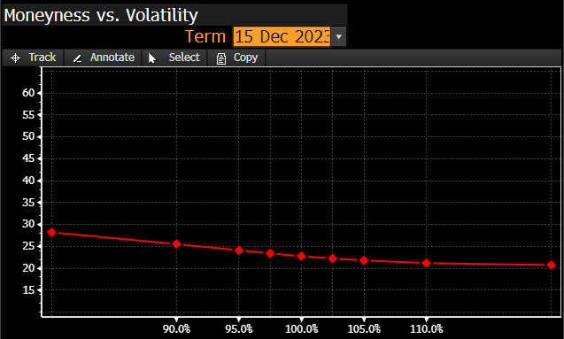
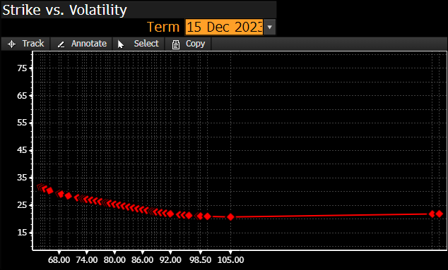
 |  |  | 20.52% | $3.20 | $4.56
 |  |  | 20.53% | $3.20 | $4.56
 |  |  | 20.54% | $3.21 | $4.56
 |  |  | 20.55% | $3.21 | $4.56
 |  |  | 20.56% | $3.21 | $4.57
 |  |  | 20.57% | $3.21 | $4.57
 |  |  | 20.58% | $3.21 | $4.57
 |  |  | 20.59% | $3.21 | $4.57
 |  |  | 20.60% | $3.22 | $4.57
 |  |  | 20.61% | $3.22 | $4.58
 |  |  | 20.62% | $3.22 | $4.58
 |  |  | 20.63% | $3.22 | $4.58
 |  |  | 20.64% | $3.22 | $4.58
 |  |  | 20.65% | $3.23 | $4.58
 |  |  | 20.66% | $3.23 | $4.58
 |  |  | 20.67% | $3.23 | $4.59
 |  |  | 20.68% | $3.23 | $4.59
 |  |  | 20.69% | $3.23 | $4.59
 |  |  | 20.70% | $3.24 | $4.59
 |  |  | 20.71% | $3.24 | $4.59
 |  |  | 20.72% | $3.24 | $4.60
 |  |  | 20.73% | $3.24 | $4.60
 |  |  | 20.74% | $3.24 | $4.60
 |  |  | 20.75% | $3.24 | $4.60
 |  |  | 20.76% | $3.25 | $4.60
 |  |  | 20.77% | $3.25 | $4.60
 |  |  | 20.78% | $3.25 | $4.61
 |  |  | 20.79% | $3.25 | $4.61
 |  |  | 20.80% | $3.25 | $4.61
 |  |  | 20.81% | $3.26 | $4.61
 |  |  | 20.82% | $3.26 | $4.61
 |  |  | 20.83% | $3.26 | $4.62
 |  |  | 20.84% | $3.26 | $4.62
 |  |  | 20.85% | $3.26 | $4.62
 |  |  | 20.86% | $3.26 | $4.62
 |  |  | 20.87% | $3.27 | $4.62
 |  |  | 20.88% | $3.27 | $4.63
 |  |  | 20.89% | $3.27 | $4.63
 |  |  | 20.90% | $3.27 | $4.63
 |  |  | 20.91% | $3.27 | $4.63
 |  |  | 20.92% | $3.28 | $4.63
 |  |  | 20.93% | $3.28 | $4.63
 |  |  | 20.94% | $3.28 | $4.64
 |  |  | 20.95% | $3.28 | $4.64
 |  |  | 20.96% | $3.28 | $4.64
 |  |  | 20.97% | $3.29 | $4.64
 |  |  | 20.98% | $3.29 | $4.64
 |  |  | 20.99% | $3.29 | $4.65
 |  |  | 21.00% | $3.29 | $4.65
 |  |  | 21.01% | $3.29 | $4.65
 |  |  | 21.02% | $3.29 | $4.65
 |  |  | 21.03% | $3.30 | $4.65
 |  |  | 21.04% | $3.30 | $4.65
 |  |  | 21.05% | $3.30 | $4.66
 |  |  | 21.06% | $3.30 | $4.66
 |  |  | 21.07% | $3.30 | $4.66
 |  |  | 21.08% | $3.31 | $4.66
 |  |  | 21.09% | $3.31 | $4.66
 |  |  | 21.10% | $3.31 | $4.67
 |  |  | 21.11% | $3.31 | $4.67
 |  |  | 21.12% | $3.31 | $4.67
 |  |  | 21.13% | $3.31 | $4.67
 |  |  | 21.14% | $3.32 | $4.67
 |  |  | 21.15% | $3.32 | $4.68
 |  |  | 21.16% | $3.32 | $4.68
 |  |  | 21.17% | $3.32 | $4.68
 |  |  | 21.18% | $3.32 | $4.68
 |  |  | 21.19% | $3.33 | $4.68
 |  |  | 21.20% | $3.33 | $4.68
 |  |  | 21.21% | $3.33 | $4.69
 |  |  | 21.22% | $3.33 | $4.69
 |  |  | 21.23% | $3.33 | $4.69
 |  |  | 21.24% | $3.34 | $4.69
 |  |  | 21.25% | $3.34 | $4.69
 |  |  | 21.26% | $3.34 | $4.70
 |  |  | 21.27% | $3.34 | $4.70
 |  |  | 21.28% | $3.34 | $4.70
 |  |  | 21.29% | $3.34 | $4.70
 |  |  | 21.30% | $3.35 | $4.70
 |  |  | 21.31% | $3.35 | $4.70
 |  |  | 21.32% | $3.35 | $4.71
 |  |  | 21.33% | $3.35 | $4.71
 |  |  | 21.34% | $3.35 | $4.71
 |  |  | 21.35% | $3.36 | $4.71
 |  |  | 21.36% | $3.36 | $4.71
 |  |  | 21.37% | $3.36 | $4.72
 |  |  | 21.38% | $3.36 | $4.72
 |  |  | 21.39% | $3.36 | $4.72
 |  |  | 21.40% | $3.36 | $4.72
 |  |  | 21.41% | $3.37 | $4.72
 |  |  | 21.42% | $3.37 | $4.73
 |  |  | 21.43% | $3.37 | $4.73
 |  |  | 21.44% | $3.37 | $4.73
 |  |  | 21.45% | $3.37 | $4.73
 |  |  | 21.46% | $3.38 | $4.73
 |  |  | 21.47% | $3.38 | $4.73
 |  |  | 21.48% | $3.38 | $4.74
 |  |  | 21.49% | $3.38 | $4.74
 |  |  | 21.50% | $3.38 | $4.74
 |  |  | 21.51% | $3.39 | $4.74
 |  |  | 21.52% | $3.39 | $4.74
 |  |  | 21.53% | $3.39 | $4.75
 |  |  | 21.54% | $3.39 | $4.75
 |  |  | 21.55% | $3.39 | $4.75
 |  |  | 21.56% | $3.39 | $4.75
 |  |  | 21.57% | $3.40 | $4.75
 |  |  | 21.58% | $3.40 | $4.75
 |  |  | 21.59% | $3.40 | $4.76
 |  |  | 21.60% | $3.40 | $4.76
 |  |  | 21.61% | $3.40 | $4.76
 |  |  | 21.62% | $3.41 | $4.76
 |  |  | 21.63% | $3.41 | $4.76
 |  |  | 21.64% | $3.41 | $4.77
 |  |  | 21.65% | $3.41 | $4.77
 |  |  | 21.66% | $3.41 | $4.77
 |  |  | 21.67% | $3.41 | $4.77
 |  |  | 21.68% | $3.42 | $4.77
 |  |  | 21.69% | $3.42 | $4.78
 |  |  | 21.70% | $3.42 | $4.78
 |  |  | 21.71% | $3.42 | $4.78
 |  |  | 21.72% | $3.42 | $4.78
 |  |  | 21.73% | $3.43 | $4.78
 |  |  | 21.74% | $3.43 | $4.78
 |  |  | 21.75% | $3.43 | $4.79
 |  |  | 21.76% | $3.43 | $4.79
 |  |  | 21.77% | $3.43 | $4.79
 |  |  | 21.78% | $3.44 | $4.79
 |  |  | 21.79% | $3.44 | $4.79
 |  |  | 21.80% | $3.44 | $4.80
 |  |  | 21.81% | $3.44 | $4.80
 |  |  | 21.82% | $3.44 | $4.80
 |  |  | 21.83% | $3.44 | $4.80
 |  |  | 21.84% | $3.45 | $4.80
 |  |  | 21.85% | $3.45 | $4.81
 |  |  | 21.86% | $3.45 | $4.81
 |  |  | 21.87% | $3.45 | $4.81
 |  |  | 21.88% | $3.45 | $4.81
 |  |  | 21.89% | $3.46 | $4.81
 |  |  | 21.90% | $3.46 | $4.81
 |  |  | 21.91% | $3.46 | $4.82
 |  |  | 21.92% | $3.46 | $4.82
 |  |  | 21.93% | $3.46 | $4.82
 |  |  | 21.94% | $3.46 | $4.82
 |  |  | 21.95% | $3.47 | $4.82
 |  |  | 21.96% | $3.47 | $4.83
 |  |  | 21.97% | $3.47 | $4.83
 |  |  | 21.98% | $3.47 | $4.83
 |  |  | 21.99% | $3.47 | $4.83
 |  |  | 22.00% | $3.48 | $4.83
 |  |  | 22.01% | $3.48 | $4.83
 |  |  | 22.02% | $3.48 | $4.84
 |  |  | 22.03% | $3.48 | $4.84
 |  |  | 22.04% | $3.48 | $4.84
 |  |  | 22.05% | $3.49 | $4.84
 |  |  | 22.06% | $3.49 | $4.84
 |  |  | 22.07% | $3.49 | $4.85
 |  |  | 22.08% | $3.49 | $4.85
 |  |  | 22.09% | $3.49 | $4.85
 |  |  | 22.10% | $3.49 | $4.85
 |  |  | 22.11% | $3.50 | $4.85
 |  |  | 22.12% | $3.50 | $4.86
 |  |  | 22.13% | $3.50 | $4.86
 |  |  | 22.14% | $3.50 | $4.86
 |  |  | 22.15% | $3.50 | $4.86
 |  |  | 22.16% | $3.51 | $4.86
 |  |  | 22.17% | $3.51 | $4.86
 |  |  | 22.18% | $3.51 | $4.87
 |  |  | 22.19% | $3.51 | $4.87
 |  |  | 22.20% | $3.51 | $4.87
 |  |  | 22.21% | $3.51 | $4.87
 |  |  | 22.22% | $3.52 | $4.87
 |  |  | 22.23% | $3.52 | $4.88
 |  |  | 22.24% | $3.52 | $4.88
 |  |  | 22.25% | $3.52 | $4.88
 |  |  | 22.26% | $3.52 | $4.88
 |  |  | 22.27% | $3.53 | $4.88
 |  |  | 22.28% | $3.53 | $4.88
 |  |  | 22.29% | $3.53 | $4.89
 |  |  | 22.30% | $3.53 | $4.89
 |  |  | 22.31% | $3.53 | $4.89
 |  |  | 22.32% | $3.54 | $4.89
 |  |  | 22.33% | $3.54 | $4.89
 |  |  | 22.34% | $3.54 | $4.90
 |  |  | 22.35% | $3.54 | $4.90
 |  |  | 22.36% | $3.54 | $4.90
 |  |  | 22.37% | $3.54 | $4.90
 |  |  | 22.38% | $3.55 | $4.90
 |  |  | 22.39% | $3.55 | $4.91
 |  |  | 22.40% | $3.55 | $4.91
 |  |  | 22.41% | $3.55 | $4.91
 |  |  | 22.42% | $3.55 | $4.91
 |  |  | 22.43% | $3.56 | $4.91
 |  |  | 22.44% | $3.56 | $4.91
 |  |  | 22.45% | $3.56 | $4.92
 |  |  | 22.46% | $3.56 | $4.92
 |  |  | 22.47% | $3.56 | $4.92
 |  |  | 22.48% | $3.56 | $4.92
 |  |  | 22.49% | $3.57 | $4.92
 |  |  | 22.50% | $3.57 | $4.93
 |  |  | 22.51% | $3.57 | $4.93
 |  |  | 22.52% | $3.57 | $4.93
 |  |  | 22.53% | $3.57 | $4.93
 |  |  | 22.54% | $3.58 | $4.93
 |  |  | 22.55% | $3.58 | $4.93
 |  |  | 22.56% | $3.58 | $4.94
 |  |  | 22.57% | $3.58 | $4.94
 |  |  | 22.58% | $3.58 | $4.94
 |  |  | 22.59% | $3.59 | $4.94
 |  |  | 22.60% | $3.59 | $4.94
 |  |  | 22.61% | $3.59 | $4.95
 |  |  | 22.62% | $3.59 | $4.95
 |  |  | 22.63% | $3.59 | $4.95
 |  |  | 22.64% | $3.59 | $4.95
 |  |  | 22.65% | $3.60 | $4.95
 |  |  | 22.66% | $3.60 | $4.96
 |  |  | 22.67% | $3.60 | $4.96
 |  |  | 22.68% | $3.60 | $4.96
 |  |  | 22.69% | $3.60 | $4.96
 |  |  | 22.70% | $3.61 | $4.96
 |  |  | 22.71% | $3.61 | $4.96
 |  |  | 22.72% | $3.61 | $4.97
 |  |  | 22.73% | $3.61 | $4.97
 |  |  | 22.74% | $3.61 | $4.97
 |  |  | 22.75% | $3.62 | $4.97
 |  |  | 22.76% | $3.62 | $4.97
 |  |  | 22.77% | $3.62 | $4.98
 |  |  | 22.78% | $3.62 | $4.98
 |  |  | 22.79% | $3.62 | $4.98
 |  |  | 22.80% | $3.62 | $4.98
 |  |  | 22.81% | $3.63 | $4.98
 |  |  | 22.82% | $3.63 | $4.98
 |  |  | 22.83% | $3.63 | $4.99
 |  |  | 22.84% | $3.63 | $4.99
 |  |  | 22.85% | $3.63 | $4.99
 |  |  | 22.86% | $3.64 | $4.99
 |  |  | 22.87% | $3.64 | $4.99
 |  |  | 22.88% | $3.64 | $5.00
 |  |  | 22.89% | $3.64 | $5.00
 |  |  | 22.90% | $3.64 | $5.00
 |  |  | 22.91% | $3.64 | $5.00
 |  |  | 22.92% | $3.65 | $5.00
 |  |  | 22.93% | $3.65 | $5.01
 |  |  | 22.94% | $3.65 | $5.01
 |  |  | 22.95% | $3.65 | $5.01
 |  |  | 22.96% | $3.65 | $5.01
 |  |  | 22.97% | $3.66 | $5.01
 |  |  | 22.98% | $3.66 | $5.01
 |  |  | 22.99% | $3.66 | $5.02
 |  |  | 23.00% | $3.66 | $5.02
 |  |  | 23.01% | $3.66 | $5.02
 |  |  | 23.02% | $3.67 | $5.02
 |  |  | 23.03% | $3.67 | $5.02
 |  |  | 23.04% | $3.67 | $5.03
 |  |  | 23.05% | $3.67 | $5.03
 |  |  | 23.06% | $3.67 | $5.03
 |  |  | 23.07% | $3.67 | $5.03
 |  |  | 23.08% | $3.68 | $5.03
 |  |  | 23.09% | $3.68 | $5.03
 |  |  | 23.10% | $3.68 | $5.04
 |  |  | 23.11% | $3.68 | $5.04
 |  |  | 23.12% | $3.68 | $5.04
 |  |  | 23.13% | $3.69 | $5.04
 |  |  | 23.14% | $3.69 | $5.04
 |  |  | 23.15% | $3.69 | $5.05
 |  |  | 23.16% | $3.69 | $5.05
 |  |  | 23.17% | $3.69 | $5.05
 |  |  | 23.18% | $3.69 | $5.05
 |  |  | 23.19% | $3.70 | $5.05
 |  |  | 23.20% | $3.70 | $5.06
 |  |  | 23.21% | $3.70 | $5.06
 |  |  | 23.22% | $3.70 | $5.06
 |  |  | 23.23% | $3.70 | $5.06
 |  |  | 23.24% | $3.71 | $5.06
 |  |  | 23.25% | $3.71 | $5.06
 |  |  | 23.26% | $3.71 | $5.07
 |  |  | 23.27% | $3.71 | $5.07
 |  |  | 23.28% | $3.71 | $5.07
 |  |  | 23.29% | $3.72 | $5.07
 |  |  | 23.30% | $3.72 | $5.07
 |  |  | 23.31% | $3.72 | $5.08
 |  |  | 23.32% | $3.72 | $5.08
 |  |  | 23.33% | $3.72 | $5.08
 |  |  | 23.34% | $3.72 | $5.08
 |  |  | 23.35% | $3.73 | $5.08
 |  |  | 23.36% | $3.73 | $5.09
 |  |  | 23.37% | $3.73 | $5.09
 |  |  | 23.38% | $3.73 | $5.09
 |  |  | 23.39% | $3.73 | $5.09
 |  |  | 23.40% | $3.74 | $5.09
 |  |  | 23.41% | $3.74 | $5.09
 |  |  | 23.42% | $3.74 | $5.10
 |  |  | 23.43% | $3.74 | $5.10
 |  |  | 23.44% | $3.74 | $5.10
 |  |  | 23.45% | $3.74 | $5.10
 |  |  | 23.46% | $3.75 | $5.10
 |  |  | 23.47% | $3.75 | $5.11
 |  |  | 23.48% | $3.75 | $5.11
 |  |  | 23.49% | $3.75 | $5.11
 |  |  | 23.50% | $3.75 | $5.11
 |  |  | 23.51% | $3.76 | $5.11
 |  |  | 23.52% | $3.76 | $5.11
 |  |  | 23.53% | $3.76 | $5.12
 |  |  | 23.54% | $3.76 | $5.12
 |  |  | 23.55% | $3.76 | $5.12
 |  |  | 23.56% | $3.77 | $5.12
 |  |  | 23.57% | $3.77 | $5.12
 |  |  | 23.58% | $3.77 | $5.13
 |  |  | 23.59% | $3.77 | $5.13
 |  |  | 23.60% | $3.77 | $5.13
 |  |  | 23.61% | $3.77 | $5.13
 |  |  | 23.62% | $3.78 | $5.13
 |  |  | 23.63% | $3.78 | $5.14
 |  |  | 23.64% | $3.78 | $5.14
 |  |  | 23.65% | $3.78 | $5.14
 |  |  | 23.66% | $3.78 | $5.14
 |  |  | 23.67% | $3.79 | $5.14
 |  |  | 23.68% | $3.79 | $5.14
 |  |  | 23.69% | $3.79 | $5.15
 |  |  | 23.70% | $3.79 | $5.15
 |  |  | 23.71% | $3.79 | $5.15
 |  |  | 23.72% | $3.80 | $5.15
 |  |  | 23.73% | $3.80 | $5.15
 |  |  | 23.74% | $3.80 | $5.16
 |  |  | 23.75% | $3.80 | $5.16
 |  |  | 23.76% | $3.80 | $5.16
 |  |  | 23.77% | $3.80 | $5.16
 |  |  | 23.78% | $3.81 | $5.16
 |  |  | 23.79% | $3.81 | $5.16
 |  |  | 23.80% | $3.81 | $5.17
 |  |  | 23.81% | $3.81 | $5.17
 |  |  | 23.82% | $3.81 | $5.17
 |  |  | 23.83% | $3.82 | $5.17
 |  |  | 23.84% | $3.82 | $5.17
 |  |  | 23.85% | $3.82 | $5.18
 |  |  | 23.86% | $3.82 | $5.18
 |  |  | 23.87% | $3.82 | $5.18
 |  |  | 23.88% | $3.82 | $5.18
 |  |  | 23.89% | $3.83 | $5.18
 |  |  | 23.90% | $3.83 | $5.19
 |  |  | 23.91% | $3.83 | $5.19
 |  |  | 23.92% | $3.83 | $5.19
 |  |  | 23.93% | $3.83 | $5.19
 |  |  | 23.94% | $3.84 | $5.19
 |  |  | 23.95% | $3.84 | $5.19
 |  |  | 23.96% | $3.84 | $5.20
 |  |  | 23.97% | $3.84 | $5.20
 |  |  | 23.98% | $3.84 | $5.20
 |  |  | 23.99% | $3.85 | $5.20
 |  |  | 24.00% | $3.85 | $5.20
 |  |  | 24.01% | $3.85 | $5.21
 |  |  | 24.02% | $3.85 | $5.21
 |  |  | 24.03% | $3.85 | $5.21
 |  |  | 24.04% | $3.85 | $5.21
 |  |  | 24.05% | $3.86 | $5.21
 |  |  | 24.06% | $3.86 | $5.21
 |  |  | 24.07% | $3.86 | $5.22
 |  |  | 24.08% | $3.86 | $5.22
 |  |  | 24.09% | $3.86 | $5.22
 |  |  | 24.10% | $3.87 | $5.22
 |  |  | 24.11% | $3.87 | $5.22
 |  |  | 24.12% | $3.87 | $5.23
 |  |  | 24.13% | $3.87 | $5.23
 |  |  | 24.14% | $3.87 | $5.23
 |  |  | 24.15% | $3.87 | $5.23
 |  |  | 24.16% | $3.88 | $5.23
 |  |  | 24.17% | $3.88 | $5.24
 |  |  | 24.18% | $3.88 | $5.24
 |  |  | 24.19% | $3.88 | $5.24
 |  |  | 24.20% | $3.88 | $5.24
 |  |  | 24.21% | $3.89 | $5.24
 |  |  | 24.22% | $3.89 | $5.24
 |  |  | 24.23% | $3.89 | $5.25
 |  |  | 24.24% | $3.89 | $5.25
 |  |  | 24.25% | $3.89 | $5.25
 |  |  | 24.26% | $3.90 | $5.25
 |  |  | 24.27% | $3.90 | $5.25
 |  |  | 24.28% | $3.90 | $5.26
 |  |  | 24.29% | $3.90 | $5.26
 |  |  | 24.30% | $3.90 | $5.26
 |  |  | 24.31% | $3.90 | $5.26
 |  |  | 24.32% | $3.91 | $5.26
 |  |  | 24.33% | $3.91 | $5.27
 |  |  | 24.34% | $3.91 | $5.27
 |  |  | 24.35% | $3.91 | $5.27
 |  |  | 24.36% | $3.91 | $5.27
 |  |  | 24.37% | $3.92 | $5.27
 |  |  | 24.38% | $3.92 | $5.27
 |  |  | 24.39% | $3.92 | $5.28
 |  |  | 24.40% | $3.92 | $5.28
 |  |  | 24.41% | $3.92 | $5.28
 |  |  | 24.42% | $3.92 | $5.28
 |  |  | 24.43% | $3.93 | $5.28
 |  |  | 24.44% | $3.93 | $5.29
 |  |  | 24.45% | $3.93 | $5.29
 |  |  | 24.46% | $3.93 | $5.29
 |  |  | 24.47% | $3.93 | $5.29
 |  |  | 24.48% | $3.94 | $5.29
 |  |  | 24.49% | $3.94 | $5.29
 |  |  | 24.50% | $3.94 | $5.30
 |  |  | 24.51% | $3.94 | $5.30
 |  |  | 24.52% | $3.94 | $5.30
 |  |  | 24.53% | $3.95 | $5.30
 |  |  | 24.54% | $3.95 | $5.30
 |  |  | 24.55% | $3.95 | $5.31
 |  |  | 24.56% | $3.95 | $5.31
 |  |  | 24.57% | $3.95 | $5.31
 |  |  | 24.58% | $3.95 | $5.31
 |  |  | 24.59% | $3.96 | $5.31
 |  |  | 24.60% | $3.96 | $5.32
 |  |  | 24.61% | $3.96 | $5.32
 |  |  | 24.62% | $3.96 | $5.32
 |  |  | 24.63% | $3.96 | $5.32
 |  |  | 24.64% | $3.97 | $5.32
 |  |  | 24.65% | $3.97 | $5.32
 |  |  | 24.66% | $3.97 | $5.33
 |  |  | 24.67% | $3.97 | $5.33
 |  |  | 24.68% | $3.97 | $5.33
 |  |  | 24.69% | $3.98 | $5.33
 |  |  | 24.70% | $3.98 | $5.33
 |  |  | 24.71% | $3.98 | $5.34
 |  |  | 24.72% | $3.98 | $5.34
 |  |  | 24.73% | $3.98 | $5.34
 |  |  | 24.74% | $3.98 | $5.34
 |  |  | 24.75% | $3.99 | $5.34
 |  |  | 24.76% | $3.99 | $5.34
 |  |  | 24.77% | $3.99 | $5.35
 |  |  | 24.78% | $3.99 | $5.35
 |  |  | 24.79% | $3.99 | $5.35
 |  |  | 24.80% | $4.00 | $5.35
 |  |  | 24.81% | $4.00 | $5.35
 |  |  | 24.82% | $4.00 | $5.36
 |  |  | 24.83% | $4.00 | $5.36
 |  |  | 24.84% | $4.00 | $5.36
 |  |  | 24.85% | $4.00 | $5.36
 |  |  | 24.86% | $4.01 | $5.36
 |  |  | 24.87% | $4.01 | $5.37
 |  |  | 24.88% | $4.01 | $5.37
 |  |  | 24.89% | $4.01 | $5.37
 |  |  | 24.90% | $4.01 | $5.37
 |  |  | 24.91% | $4.02 | $5.37
 |  |  | 24.92% | $4.02 | $5.37
 |  |  | 24.93% | $4.02 | $5.38
 |  |  | 24.94% | $4.02 | $5.38
 |  |  | 24.95% | $4.02 | $5.38
 |  |  | 24.96% | $4.03 | $5.38
 |  |  | 24.97% | $4.03 | $5.38
 |  |  | 24.98% | $4.03 | $5.39
 |  |  | 24.99% | $4.03 | $5.39
 |  |  | 25.00% | $4.03 | $5.39
 |  |  | 25.01% | $4.03 | $5.39
 |  |  | 25.02% | $4.04 | $5.39
 |  |  | 25.03% | $4.04 | $5.40
 |  |  | 25.04% | $4.04 | $5.40
 |  |  | 25.05% | $4.04 | $5.40
 |  |  | 25.06% | $4.04 | $5.40
 |  |  | 25.07% | $4.05 | $5.40
 |  |  | 25.08% | $4.05 | $5.40
 |  |  | 25.09% | $4.05 | $5.41
 |  |  | 25.10% | $4.05 | $5.41
 |  |  | 25.11% | $4.05 | $5.41
 |  |  | 25.12% | $4.05 | $5.41
 |  |  | 25.13% | $4.06 | $5.41
 |  |  | 25.14% | $4.06 | $5.42
 |  |  | 25.15% | $4.06 | $5.42
 |  |  | 25.16% | $4.06 | $5.42
 |  |  | 25.17% | $4.06 | $5.42
 |  |  | 25.18% | $4.07 | $5.42
 |  |  | 25.19% | $4.07 | $5.42
 |  |  | 25.20% | $4.07 | $5.43
 |  |  | 25.21% | $4.07 | $5.43
 |  |  | 25.22% | $4.07 | $5.43
 |  |  | 25.23% | $4.08 | $5.43
 |  |  | 25.24% | $4.08 | $5.43
 |  |  | 25.25% | $4.08 | $5.44
 |  |  | 25.26% | $4.08 | $5.44
 |  |  | 25.27% | $4.08 | $5.44
 |  |  | 25.28% | $4.08 | $5.44
 |  |  | 25.29% | $4.09 | $5.44
 |  |  | 25.30% | $4.09 | $5.45
 |  |  | 25.31% | $4.09 | $5.45
 |  |  | 25.32% | $4.09 | $5.45
 |  |  | 25.33% | $4.09 | $5.45
 |  |  | 25.34% | $4.10 | $5.45
 |  |  | 25.35% | $4.10 | $5.45
 |  |  | 25.36% | $4.10 | $5.46
 |  |  | 25.37% | $4.10 | $5.46
 |  |  | 25.38% | $4.10 | $5.46
 |  |  | 25.39% | $4.11 | $5.46
 |  |  | 25.40% | $4.11 | $5.46
 |  |  | 25.41% | $4.11 | $5.47
 |  |  | 25.42% | $4.11 | $5.47
 |  |  | 25.43% | $4.11 | $5.47
 |  |  | 25.44% | $4.11 | $5.47
 |  |  | 25.45% | $4.12 | $5.47
 |  |  | 25.46% | $4.12 | $5.47
 |  |  | 25.47% | $4.12 | $5.48
 |  |  | 25.48% | $4.12 | $5.48
 |  |  | 25.49% | $4.12 | $5.48
 |  |  | 25.50% | $4.13 | $5.48
 |  |  | 25.51% | $4.13 | $5.48
 |  |  | 25.52% | $4.13 | $5.49
 |  |  | 25.53% | $4.13 | $5.49
 |  |  | 25.54% | $4.13 | $5.49
 |  |  | 25.55% | $4.13 | $5.49
 |  |  | 25.56% | $4.14 | $5.49
 |  |  | 25.57% | $4.14 | $5.50
 |  |  | 25.58% | $4.14 | $5.50
 |  |  | 25.59% | $4.14 | $5.50
 |  |  | 25.60% | $4.14 | $5.50
 |  |  | 25.61% | $4.15 | $5.50
 |  |  | 25.62% | $4.15 | $5.50
 |  |  | 25.63% | $4.15 | $5.51
 |  |  | 25.64% | $4.15 | $5.51
 |  |  | 25.65% | $4.15 | $5.51
 |  |  | 25.66% | $4.16 | $5.51
 |  |  | 25.67% | $4.16 | $5.51
 |  |  | 25.68% | $4.16 | $5.52
 |  |  | 25.69% | $4.16 | $5.52
 |  |  | 25.70% | $4.16 | $5.52
 |  |  | 25.71% | $4.16 | $5.52
 |  |  | 25.72% | $4.17 | $5.52
 |  |  | 25.73% | $4.17 | $5.53
 |  |  | 25.74% | $4.17 | $5.53
 |  |  | 25.75% | $4.17 | $5.53
 |  |  | 25.76% | $4.17 | $5.53
 |  |  | 25.77% | $4.18 | $5.53
 |  |  | 25.78% | $4.18 | $5.53
 |  |  | 25.79% | $4.18 | $5.54
 |  |  | 25.80% | $4.18 | $5.54
 |  |  | 25.81% | $4.18 | $5.54
 |  |  | 25.82% | $4.18 | $5.54
 |  |  | 25.83% | $4.19 | $5.54
 |  |  | 25.84% | $4.19 | $5.55
 |  |  | 25.85% | $4.19 | $5.55
 |  |  | 25.86% | $4.19 | $5.55
 |  |  | 25.87% | $4.19 | $5.55
 |  |  | 25.88% | $4.20 | $5.55
 |  |  | 25.89% | $4.20 | $5.55
 |  |  | 25.90% | $4.20 | $5.56
 |  |  | 25.91% | $4.20 | $5.56
 |  |  | 25.92% | $4.20 | $5.56
 |  |  | 25.93% | $4.21 | $5.56
 |  |  | 25.94% | $4.21 | $5.56
 |  |  | 25.95% | $4.21 | $5.57
 |  |  | 25.96% | $4.21 | $5.57
 |  |  | 25.97% | $4.21 | $5.57
 |  |  | 25.98% | $4.21 | $5.57
 |  |  | 25.99% | $4.22 | $5.57
 |  |  | 26.00% | $4.22 | $5.58
 |  |  | 26.01% | $4.22 | $5.58
 |  |  | 26.02% | $4.22 | $5.58
 |  |  | 26.03% | $4.22 | $5.58
 |  |  | 26.04% | $4.23 | $5.58
 |  |  | 26.05% | $4.23 | $5.58
 |  |  | 26.06% | $4.23 | $5.59
 |  |  | 26.07% | $4.23 | $5.59
 |  |  | 26.08% | $4.23 | $5.59
 |  |  | 26.09% | $4.24 | $5.59
 |  |  | 26.10% | $4.24 | $5.59
 |  |  | 26.11% | $4.24 | $5.60
 |  |  | 26.12% | $4.24 | $5.60
 |  |  | 26.13% | $4.24 | $5.60
 |  |  | 26.14% | $4.24 | $5.60
 |  |  | 26.15% | $4.25 | $5.60
 |  |  | 26.16% | $4.25 | $5.60
 |  |  | 26.17% | $4.25 | $5.61
 |  |  | 26.18% | $4.25 | $5.61
 |  |  | 26.19% | $4.25 | $5.61
 |  |  | 26.20% | $4.26 | $5.61
 |  |  | 26.21% | $4.26 | $5.61
 |  |  | 26.22% | $4.26 | $5.62
 |  |  | 26.23% | $4.26 | $5.62
 |  |  | 26.24% | $4.26 | $5.62
 |  |  | 26.25% | $4.26 | $5.62
 |  |  | 26.26% | $4.27 | $5.62
 |  |  | 26.27% | $4.27 | $5.63
 |  |  | 26.28% | $4.27 | $5.63
 |  |  | 26.29% | $4.27 | $5.63
 |  |  | 26.30% | $4.27 | $5.63
 |  |  | 26.31% | $4.28 | $5.63
 |  |  | 26.32% | $4.28 | $5.63
 |  |  | 26.33% | $4.28 | $5.64
 |  |  | 26.34% | $4.28 | $5.64
 |  |  | 26.35% | $4.28 | $5.64
 |  |  | 26.36% | $4.29 | $5.64
 |  |  | 26.37% | $4.29 | $5.64
 |  |  | 26.38% | $4.29 | $5.65
 |  |  | 26.39% | $4.29 | $5.65
 |  |  | 26.40% | $4.29 | $5.65
 |  |  | 26.41% | $4.29 | $5.65
 |  |  | 26.42% | $4.30 | $5.65
 |  |  | 26.43% | $4.30 | $5.66
 |  |  | 26.44% | $4.30 | $5.66
 |  |  | 26.45% | $4.30 | $5.66
 |  |  | 26.46% | $4.30 | $5.66
 |  |  | 26.47% | $4.31 | $5.66
 |  |  | 26.48% | $4.31 | $5.66
 |  |  | 26.49% | $4.31 | $5.67
 |  |  | 26.50% | $4.31 | $5.67
 |  |  | 26.51% | $4.31 | $5.67
 |  |  | 26.52% | $4.31 | $5.67
 |  |  | 26.53% | $4.32 | $5.67
 |  |  | 26.54% | $4.32 | $5.68
 |  |  | 26.55% | $4.32 | $5.68
 |  |  | 26.56% | $4.32 | $5.68
 |  |  | 26.57% | $4.32 | $5.68
 |  |  | 26.58% | $4.33 | $5.68
 |  |  | 26.59% | $4.33 | $5.68
 |  |  | 26.60% | $4.33 | $5.69
 |  |  | 26.61% | $4.33 | $5.69
 |  |  | 26.62% | $4.33 | $5.69
 |  |  | 26.63% | $4.34 | $5.69
 |  |  | 26.64% | $4.34 | $5.69
 |  |  | 26.65% | $4.34 | $5.70
 |  |  | 26.66% | $4.34 | $5.70
 |  |  | 26.67% | $4.34 | $5.70
 |  |  | 26.68% | $4.34 | $5.70
 |  |  | 26.69% | $4.35 | $5.70
 |  |  | 26.70% | $4.35 | $5.71
 |  |  | 26.71% | $4.35 | $5.71
 |  |  | 26.72% | $4.35 | $5.71
 |  |  | 26.73% | $4.35 | $5.71
 |  |  | 26.74% | $4.36 | $5.71
 |  |  | 26.75% | $4.36 | $5.71
 |  |  | 26.76% | $4.36 | $5.72
 |  |  | 26.77% | $4.36 | $5.72
 |  |  | 26.78% | $4.36 | $5.72
 |  |  | 26.79% | $4.37 | $5.72
 |  |  | 26.80% | $4.37 | $5.72
 |  |  | 26.81% | $4.37 | $5.73
 |  |  | 26.82% | $4.37 | $5.73
 |  |  | 26.83% | $4.37 | $5.73
 |  |  | 26.84% | $4.37 | $5.73
 |  |  | 26.85% | $4.38 | $5.73
 |  |  | 26.86% | $4.38 | $5.73
 |  |  | 26.87% | $4.38 | $5.74
 |  |  | 26.88% | $4.38 | $5.74
 |  |  | 26.89% | $4.38 | $5.74
 |  |  | 26.90% | $4.39 | $5.74
 |  |  | 26.91% | $4.39 | $5.74
 |  |  | 26.92% | $4.39 | $5.75
 |  |  | 26.93% | $4.39 | $5.75
 |  |  | 26.94% | $4.39 | $5.75
 |  |  | 26.95% | $4.39 | $5.75
 |  |  | 26.96% | $4.40 | $5.75
 |  |  | 26.97% | $4.40 | $5.76
 |  |  | 26.98% | $4.40 | $5.76
 |  |  | 26.99% | $4.40 | $5.76
 |  |  | 27.00% | $4.40 | $5.76
 |  |  | 27.01% | $4.41 | $5.76
 |  |  | 27.02% | $4.41 | $5.76
 |  |  | 27.03% | $4.41 | $5.77
 |  |  | 27.04% | $4.41 | $5.77
 |  |  | 27.05% | $4.41 | $5.77
 |  |  | 27.06% | $4.42 | $5.77
 |  |  | 27.07% | $4.42 | $5.77
 |  |  | 27.08% | $4.42 | $5.78
 |  |  | 27.09% | $4.42 | $5.78
 |  |  | 27.10% | $4.42 | $5.78
 |  |  | 27.11% | $4.42 | $5.78
 |  |  | 27.12% | $4.43 | $5.78
 |  |  | 27.13% | $4.43 | $5.79
 |  |  | 27.14% | $4.43 | $5.79
 |  |  | 27.15% | $4.43 | $5.79
 |  |  | 27.16% | $4.43 | $5.79
 |  |  | 27.17% | $4.44 | $5.79
 |  |  | 27.18% | $4.44 | $5.79
 |  |  | 27.19% | $4.44 | $5.80
 |  |  | 27.20% | $4.44 | $5.80
 |  |  | 27.21% | $4.44 | $5.80
 |  |  | 27.22% | $4.44 | $5.80
 |  |  | 27.23% | $4.45 | $5.80
 |  |  | 27.24% | $4.45 | $5.81
 |  |  | 27.25% | $4.45 | $5.81
 |  |  | 27.26% | $4.45 | $5.81
 |  |  | 27.27% | $4.45 | $5.81
 |  |  | 27.28% | $4.46 | $5.81
 |  |  | 27.29% | $4.46 | $5.81
 |  |  | 27.30% | $4.46 | $5.82
 |  |  | 27.31% | $4.46 | $5.82
 |  |  | 27.32% | $4.46 | $5.82
 |  |  | 27.33% | $4.47 | $5.82
 |  |  | 27.34% | $4.47 | $5.82
 |  |  | 27.35% | $4.47 | $5.83
 |  |  | 27.36% | $4.47 | $5.83
 |  |  | 27.37% | $4.47 | $5.83
 |  |  | 27.38% | $4.47 | $5.83
 |  |  | 27.39% | $4.48 | $5.83
 |  |  | 27.40% | $4.48 | $5.84
 |  |  | 27.41% | $4.48 | $5.84
 |  |  | 27.42% | $4.48 | $5.84
 |  |  | 27.43% | $4.48 | $5.84
 |  |  | 27.44% | $4.49 | $5.84
 |  |  | 27.45% | $4.49 | $5.84
 |  |  | 27.46% | $4.49 | $5.85
 |  |  | 27.47% | $4.49 | $5.85
 |  |  | 27.48% | $4.49 | $5.85
 |  |  | 27.49% | $4.50 | $5.85
 |  |  | 27.50% | $4.50 | $5.85
 |  |  | 27.51% | $4.50 | $5.86
 |  |  | 27.52% | $4.50 | $5.86
 |  |  | 27.53% | $4.50 | $5.86
 |  |  | 27.54% | $4.50 | $5.86
 |  |  | 27.55% | $4.51 | $5.86
 |  |  | 27.56% | $4.51 | $5.86
 |  |  | 27.57% | $4.51 | $5.87
 |  |  | 27.58% | $4.51 | $5.87
 |  |  | 27.59% | $4.51 | $5.87
 |  |  | 27.60% | $4.52 | $5.87
 |  |  | 27.61% | $4.52 | $5.87
 |  |  | 27.62% | $4.52 | $5.88
 |  |  | 27.63% | $4.52 | $5.88
 |  |  | 27.64% | $4.52 | $5.88
 |  |  | 27.65% | $4.52 | $5.88
 |  |  | 27.66% | $4.53 | $5.88
 |  |  | 27.67% | $4.53 | $5.89
 |  |  | 27.68% | $4.53 | $5.89
 |  |  | 27.69% | $4.53 | $5.89
 |  |  | 27.70% | $4.53 | $5.89
 |  |  | 27.71% | $4.54 | $5.89
 |  |  | 27.72% | $4.54 | $5.89
 |  |  | 27.73% | $4.54 | $5.90
 |  |  | 27.74% | $4.54 | $5.90
 |  |  | 27.75% | $4.54 | $5.90
 |  |  | 27.76% | $4.55 | $5.90
 |  |  | 27.77% | $4.55 | $5.90
 |  |  | 27.78% | $4.55 | $5.91
 |  |  | 27.79% | $4.55 | $5.91
 |  |  | 27.80% | $4.55 | $5.91
 |  |  | 27.81% | $4.55 | $5.91
 |  |  | 27.82% | $4.56 | $5.91
 |  |  | 27.83% | $4.56 | $5.92
 |  |  | 27.84% | $4.56 | $5.92
 |  |  | 27.85% | $4.56 | $5.92
 |  |  | 27.86% | $4.56 | $5.92
 |  |  | 27.87% | $4.57 | $5.92
 |  |  | 27.88% | $4.57 | $5.92
 |  |  | 27.89% | $4.57 | $5.93
 |  |  | 27.90% | $4.57 | $5.93
 |  |  | 27.91% | $4.57 | $5.93
 |  |  | 27.92% | $4.57 | $5.93
 |  |  | 27.93% | $4.58 | $5.93
 |  |  | 27.94% | $4.58 | $5.94
 |  |  | 27.95% | $4.58 | $5.94
 |  |  | 27.96% | $4.58 | $5.94
 |  |  | 27.97% | $4.58 | $5.94
 |  |  | 27.98% | $4.59 | $5.94
 |  |  | 27.99% | $4.59 | $5.94
 |  |  | 28.00% | $4.59 | $5.95
 |  |  | 28.01% | $4.59 | $5.95
 |  |  | 28.02% | $4.59 | $5.95
 |  |  | 28.03% | $4.60 | $5.95
 |  |  | 28.04% | $4.60 | $5.95
 |  |  | 28.05% | $4.60 | $5.96
 |  |  | 28.06% | $4.60 | $5.96
 |  |  | 28.07% | $4.60 | $5.96
 |  |  | 28.08% | $4.60 | $5.96
 |  |  | 28.09% | $4.61 | $5.96
 |  |  | 28.10% | $4.61 | $5.97
 |  |  | 28.11% | $4.61 | $5.97
 |  |  | 28.12% | $4.61 | $5.97
 |  |  | 28.13% | $4.61 | $5.97
 |  |  | 28.14% | $4.62 | $5.97
 |  |  | 28.15% | $4.62 | $5.97
 |  |  | 28.16% | $4.62 | $5.98
 |  |  | 28.17% | $4.62 | $5.98
 |  |  | 28.18% | $4.62 | $5.98
 |  |  | 28.19% | $4.63 | $5.98
 |  |  | 28.20% | $4.63 | $5.98
 |  |  | 28.21% | $4.63 | $5.99
 |  |  | 28.22% | $4.63 | $5.99
 |  |  | 28.23% | $4.63 | $5.99
 |  |  | 28.24% | $4.63 | $5.99
 |  |  | 28.25% | $4.64 | $5.99
 |  |  | 28.26% | $4.64 | $6.00
 |  |  | 28.27% | $4.64 | $6.00
 |  |  | 28.28% | $4.64 | $6.00
 |  |  | 28.29% | $4.64 | $6.00
 |  |  | 28.30% | $4.65 | $6.00
 |  |  | 28.31% | $4.65 | $6.00
 |  |  | 28.32% | $4.65 | $6.01
 |  |  | 28.33% | $4.65 | $6.01
 |  |  | 28.34% | $4.65 | $6.01
 |  |  | 28.35% | $4.65 | $6.01
 |  |  | 28.36% | $4.66 | $6.01
 |  |  | 28.37% | $4.66 | $6.02
 |  |  | 28.38% | $4.66 | $6.02
 |  |  | 28.39% | $4.66 | $6.02
 |  |  | 28.40% | $4.66 | $6.02
 |  |  | 28.41% | $4.67 | $6.02
 |  |  | 28.42% | $4.67 | $6.02
 |  |  | 28.43% | $4.67 | $6.03
 |  |  | 28.44% | $4.67 | $6.03
 |  |  | 28.45% | $4.67 | $6.03
 |  |  | 28.46% | $4.68 | $6.03
 |  |  | 28.47% | $4.68 | $6.03
 |  |  | 28.48% | $4.68 | $6.04
 |  |  | 28.49% | $4.68 | $6.04
 |  |  | 28.50% | $4.68 | $6.04
 |  |  | 28.51% | $4.68 | $6.04
 |  |  | 28.52% | $4.69 | $6.04
 |  |  | 28.53% | $4.69 | $6.05
 |  |  | 28.54% | $4.69 | $6.05
 |  |  | 28.55% | $4.69 | $6.05
 |  |  | 28.56% | $4.69 | $6.05
 |  |  | 28.57% | $4.70 | $6.05
 |  |  | 28.58% | $4.70 | $6.05
 |  |  | 28.59% | $4.70 | $6.06
 |  |  | 28.60% | $4.70 | $6.06
 |  |  | 28.61% | $4.70 | $6.06
 |  |  | 28.62% | $4.71 | $6.06
 |  |  | 28.63% | $4.71 | $6.06
 |  |  | 28.64% | $4.71 | $6.07
 |  |  | 28.65% | $4.71 | $6.07
 |  |  | 28.66% | $4.71 | $6.07
 |  |  | 28.67% | $4.71 | $6.07
 |  |  | 28.68% | $4.72 | $6.07
 |  |  | 28.69% | $4.72 | $6.07
 |  |  | 28.70% | $4.72 | $6.08
 |  |  | 28.71% | $4.72 | $6.08
 |  |  | 28.72% | $4.72 | $6.08
 |  |  | 28.73% | $4.73 | $6.08
 |  |  | 28.74% | $4.73 | $6.08
 |  |  | 28.75% | $4.73 | $6.09
 |  |  | 28.76% | $4.73 | $6.09
 |  |  | 28.77% | $4.73 | $6.09
 |  |  | 28.78% | $4.73 | $6.09
 |  |  | 28.79% | $4.74 | $6.09
 |  |  | 28.80% | $4.74 | $6.10
 |  |  | 28.81% | $4.74 | $6.10
 |  |  | 28.82% | $4.74 | $6.10
 |  |  | 28.83% | $4.74 | $6.10
 |  |  | 28.84% | $4.75 | $6.10
 |  |  | 28.85% | $4.75 | $6.10
 |  |  | 28.86% | $4.75 | $6.11
 |  |  | 28.87% | $4.75 | $6.11
 |  |  | 28.88% | $4.75 | $6.11
 |  |  | 28.89% | $4.76 | $6.11
 |  |  | 28.90% | $4.76 | $6.11
 |  |  | 28.91% | $4.76 | $6.12
 |  |  | 28.92% | $4.76 | $6.12
 |  |  | 28.93% | $4.76 | $6.12
 |  |  | 28.94% | $4.76 | $6.12
 |  |  | 28.95% | $4.77 | $6.12
 |  |  | 28.96% | $4.77 | $6.13
 |  |  | 28.97% | $4.77 | $6.13
 |  |  | 28.98% | $4.77 | $6.13
 |  |  | 28.99% | $4.77 | $6.13
 |  |  | 29.00% | $4.78 | $6.13
 |  |  | 29.01% | $4.78 | $6.13
 |  |  | 29.02% | $4.78 | $6.14
 |  |  | 29.03% | $4.78 | $6.14
 |  |  | 29.04% | $4.78 | $6.14
 |  |  | 29.05% | $4.78 | $6.14
 |  |  | 29.06% | $4.79 | $6.14
 |  |  | 29.07% | $4.79 | $6.15
 |  |  | 29.08% | $4.79 | $6.15
 |  |  | 29.09% | $4.79 | $6.15
 |  |  | 29.10% | $4.79 | $6.15
 |  |  | 29.11% | $4.80 | $6.15
 |  |  | 29.12% | $4.80 | $6.15
 |  |  | 29.13% | $4.80 | $6.16
 |  |  | 29.14% | $4.80 | $6.16
 |  |  | 29.15% | $4.80 | $6.16
 |  |  | 29.16% | $4.81 | $6.16
 |  |  | 29.17% | $4.81 | $6.16
 |  |  | 29.18% | $4.81 | $6.17
 |  |  | 29.19% | $4.81 | $6.17
 |  |  | 29.20% | $4.81 | $6.17
 |  |  | 29.21% | $4.81 | $6.17
 |  |  | 29.22% | $4.82 | $6.17
 |  |  | 29.23% | $4.82 | $6.18
 |  |  | 29.24% | $4.82 | $6.18
 |  |  | 29.25% | $4.82 | $6.18
 |  |  | 29.26% | $4.82 | $6.18
 |  |  | 29.27% | $4.83 | $6.18
 |  |  | 29.28% | $4.83 | $6.18
 |  |  | 29.29% | $4.83 | $6.19
 |  |  | 29.30% | $4.83 | $6.19
 |  |  | 29.31% | $4.83 | $6.19
 |  |  | 29.32% | $4.84 | $6.19
 |  |  | 29.33% | $4.84 | $6.19
 |  |  | 29.34% | $4.84 | $6.20
 |  |  | 29.35% | $4.84 | $6.20
 |  |  | 29.36% | $4.84 | $6.20
 |  |  | 29.37% | $4.84 | $6.20
 |  |  | 29.38% | $4.85 | $6.20
 |  |  | 29.39% | $4.85 | $6.21
 |  |  | 29.40% | $4.85 | $6.21
 |  |  | 29.41% | $4.85 | $6.21
 |  |  | 29.42% | $4.85 | $6.21
 |  |  | 29.43% | $4.86 | $6.21
 |  |  | 29.44% | $4.86 | $6.21
 |  |  | 29.45% | $4.86 | $6.22
 |  |  | 29.46% | $4.86 | $6.22
 |  |  | 29.47% | $4.86 | $6.22
 |  |  | 29.48% | $4.86 | $6.22
 |  |  | 29.49% | $4.87 | $6.22
 |  |  | 29.50% | $4.87 | $6.23
 |  |  | 29.51% | $4.87 | $6.23

